CarteraUPM2022(MSA)
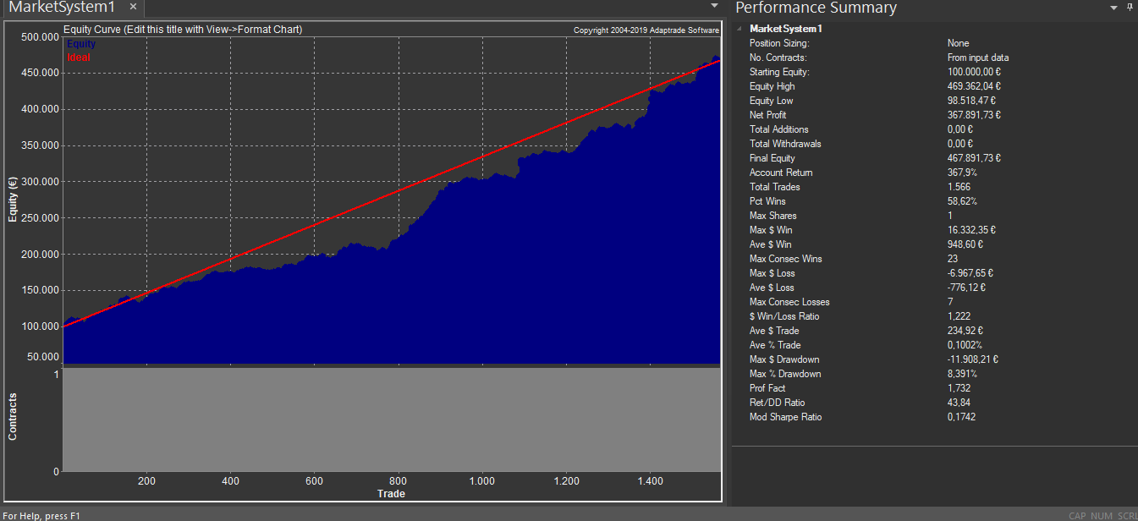
Cartera UPM2022 sin MM con la siguiente ponderación:
FGBL 1 C FGBL 2 C RTY 1 C ES 0 C NQ 3 C
ES 1 C NQ 3 C
Periodo: Enero 2012 - Diciembre 2018

DATOS EN BASE DIARIA
En esta hoja tenemos los resultados diarios de la cartera ponderada y en Euros tanto del periodo IS como del periodo OS.

El periodo a considerar es Enero de 2012- Diciembre de 2018
Periodo IS: Hasta Diciembre 2015
Periodo OS: Desde Enero 2016
Hasta Diciembre 2018
Date | PL
2012-01-03 | -38.02
2012-01-04 | -1443.51
2012-01-05 | 763.58
2012-01-06 | -633.32 | Serie In Sample
2012-01-09 | 1292.8
2012-01-10 | 427.98 | Serie Out Sample
2012-01-11 | 865.47
2012-01-12 | 384.9
2012-01-13 | 445.04
2012-01-17 | 102.27
2012-01-18 | 330.01
2012-01-19 | -210.19
2012-01-20 | 2355.3
2012-01-23 | 1203.47
2012-01-24 | -426.07
2012-01-26 | 1233.75
2012-01-27 | -45.21
2012-01-30 | -127.56
2012-01-31 | 549.9
2012-02-01 | -198.89
2012-02-02 | 98.91
2012-02-03 | 1659.85
2012-02-06 | -1196.73
2012-02-07 | -403.99
2012-02-08 | 521.62
2012-02-09 | 37.8
2012-02-10 | -63.9
2012-02-13 | -907.51
2012-02-14 | -983.62
2012-02-15 | -581.02
2012-02-17 | 207.29
2012-02-20 | -318.65
2012-02-21 | 30.25
2012-02-22 | 1693.25
2012-02-23 | 380.75
2012-02-24 | 11.3
2012-02-27 | 265.74
2012-02-28 | -112.81
2012-02-29 | -82.65
2012-03-01 | -48.69
2012-03-02 | 130.6
2012-03-06 | -324.63
2012-03-07 | -2116.83
2012-03-08 | -833.57
2012-03-09 | -615.79
2012-03-12 | -360.82
2012-03-13 | -1322.23
2012-03-14 | 743.53
2012-03-15 | -341.86
2012-03-16 | 7.97
2012-03-19 | -99.35
2012-03-20 | -1023.06
2012-03-21 | -91.7
2012-03-22 | -893.97
2012-03-23 | 783.88
2012-03-26 | 1475.57
2012-03-27 | -594.65
2012-03-28 | 2735.34
2012-03-29 | 462.38
2012-03-30 | 3.97
2012-04-02 | 1302.14
2012-04-03 | 46.18
2012-04-04 | 1205.8
2012-04-05 | 2342.38
2012-04-06 | 66.29
2012-04-09 | 590.21
2012-04-10 | 488.95
2012-04-11 | 631.7
2012-04-12 | -1142.29
2012-04-16 | 524.51
2012-04-17 | 615.56
2012-04-18 | 105.48
2012-04-19 | 352.35
2012-04-20 | 154.91
2012-04-23 | -1329.65
2012-04-24 | 481.26
2012-04-25 | -164.5
2012-04-26 | 1639.57
2012-04-27 | 708.1
2012-04-30 | 761.08
2012-05-02 | 58.09
2012-05-03 | -52.48
2012-05-04 | 203.32
2012-05-07 | 801.72
2012-05-08 | -2584.64
2012-05-10 | 1118.12
2012-05-11 | 622.87
2012-05-14 | -619.64
2012-05-15 | -1.26
2012-05-16 | 313.73
2012-05-17 | 1834.97
2012-05-18 | 2238.89
2012-05-21 | -1862.05
2012-05-22 | -931.81
2012-05-23 | 740.2
2012-05-24 | -112.81
2012-05-25 | 1022.07
2012-05-28 | 287.33
2012-05-29 | 368.96
2012-05-30 | 317.76
2012-06-04 | 110.34
2012-06-05 | -291.32
2012-06-06 | 344.08
2012-06-07 | 212.8
2012-06-08 | -832.02
2012-06-11 | 690.61
2012-06-12 | 2695.54
2012-06-13 | -1344.61
2012-06-14 | -109.79
2012-06-15 | -1080.54
2012-06-19 | 3663.59
2012-06-20 | 756.19
2012-06-21 | -1080.79
2012-06-22 | 1963.73
2012-06-26 | 924.06
2012-06-27 | 1139.34
2012-06-28 | -1152.15
2012-06-29 | -54.84
2012-07-02 | -1073.84
2012-07-03 | -1581.93
2012-07-04 | 1979.82
2012-07-05 | 317.2
2012-07-06 | 600.96
2012-07-10 | 27.95
2012-07-11 | 1288.22
2012-07-12 | -773.75
2012-07-13 | -1814.38
2012-07-17 | 976.85
2012-07-18 | -199
2012-07-19 | -999.85
2012-07-20 | -207.64
2012-07-24 | 1046.04
2012-07-25 | -743.57
2012-07-26 | -1.15
2012-07-27 | 1514.06
2012-07-30 | 1276.09
2012-07-31 | 1659.06
2012-08-01 | 2383.57
2012-08-02 | 1682.13
2012-08-03 | 3249.27
2012-08-06 | -704.81
2012-08-07 | -929.62
2012-08-08 | 538.34
2012-08-09 | 1226.01
2012-08-10 | -719.85
2012-08-13 | 317.2
2012-08-14 | 1162.88
2012-08-16 | -61.02
2012-08-17 | 99.96
2012-08-20 | 445.04
2012-08-21 | 382
2012-08-22 | -193.14
2012-08-23 | 1048.01
2012-08-24 | -586.74
2012-08-27 | -89.31
2012-08-28 | -486.36
2012-08-29 | -1193.23
2012-08-30 | -643.75
2012-08-31 | 348.55
2012-09-03 | -139.06
2012-09-04 | -359.71
2012-09-05 | -1042.6
2012-09-07 | 27.75
2012-09-10 | -280.78
2012-09-12 | 364.69
2012-09-13 | -124.88
2012-09-14 | -292.81
2012-09-18 | -22.69
2012-09-19 | 370.09
2012-09-20 | -700.33
2012-09-21 | -623.41
2012-09-24 | -48.45
2012-09-25 | -782.56
2012-09-26 | -576.36
2012-09-27 | -1767.03
2012-09-28 | -993.4
2012-10-01 | 554.45
2012-10-02 | 223.53
2012-10-03 | -70.58
2012-10-04 | -506.69
2012-10-05 | 252.77
2012-10-08 | -917.22
2012-10-09 | -1227.02
2012-10-10 | -219.17
2012-10-11 | 549.34
2012-10-12 | 1630.33
2012-10-15 | 798.26
2012-10-16 | 1354.2
2012-10-17 | 228.73
2012-10-18 | -47.42
2012-10-19 | -393.73
2012-10-22 | -47.42
2012-10-23 | -1518.62
2012-10-24 | 1342.13
2012-10-25 | 1037.93
2012-10-26 | 1051.8
2012-10-29 | 1351.85
2012-10-30 | 735.83
2012-10-31 | 784.02
2012-11-01 | 350.82
2012-11-02 | 17.58
2012-11-05 | -196.38
2012-11-06 | 59.12
2012-11-07 | 171.05
2012-11-08 | 409.61
2012-11-09 | 432.8
2012-11-12 | 1016.97
2012-11-13 | 887.92
2012-11-15 | 1142.98
2012-11-16 | 755.27
2012-11-19 | 18.04
2012-11-20 | 581.81
2012-11-21 | 342.75
2012-11-23 | -343.58
2012-11-26 | -238.18
2012-11-27 | 556.24
2012-11-28 | 114.47
2012-11-29 | -385.64
2012-11-30 | 548.91
2012-12-03 | 110.11
2012-12-04 | 20.89
2012-12-05 | 1260.1
2012-12-06 | -693.24
2012-12-12 | 61.63
2012-12-13 | 41.96
2012-12-14 | -166.68
2012-12-17 | -190.29
2012-12-18 | -673.88
2012-12-19 | 435.13
2012-12-20 | -548.02
2012-12-21 | 349
2012-12-24 | -67.57
2012-12-26 | 919.16
2012-12-27 | 3049.44
2012-12-28 | 222.52
2012-12-31 | 1621.18
2013-01-02 | 418.98
2013-01-03 | 813.85
2013-01-04 | 647.69
2013-01-07 | -603.51
2013-01-08 | 41.02
2013-01-09 | -61.02
2013-01-10 | 1598.12
2013-01-11 | 2.26
2013-01-14 | -55.5
2013-01-15 | -1011.44
2013-01-16 | -757.53
2013-01-17 | 671.4
2013-01-18 | 119.56
2013-01-21 | -238.28
2013-01-22 | -895.52
2013-01-23 | -846.9
2013-01-24 | -1400.16
2013-01-25 | 2669.48
2013-01-28 | 341.62
2013-01-30 | 99
2013-02-01 | -170.78
2013-02-04 | 784.18
2013-02-05 | 284.66
2013-02-06 | -45.5
2013-02-07 | 1086.59
2013-02-08 | -898.02
2013-02-11 | -15.62
2013-02-12 | -296.28
2013-02-13 | 427.38
2013-02-14 | -264.55
2013-02-15 | -664.62
2013-02-18 | -151.04
2013-02-19 | -554.2
2013-02-20 | 256.33
2013-02-21 | -696.52
2013-02-22 | -256.92
2013-02-25 | 149.44
2013-02-26 | 821.66
2013-02-28 | 430.98
2013-03-01 | 235.59
2013-03-06 | 515.82
2013-03-07 | 868.92
2013-03-08 | 1094.94
2013-03-11 | 223.75
2013-03-12 | -360.76
2013-03-14 | 327.47
2013-03-15 | 30.14
2013-03-18 | -170.46
2013-03-19 | 2371.99
2013-03-20 | 99.96
2013-03-21 | -756.85
2013-03-25 | 2300.07
2013-03-26 | 30.14
2013-04-03 | 111.76
2013-04-04 | 768.81
2013-04-05 | -548.95
2013-04-08 | 769.3
2013-04-10 | -805.47
2013-04-11 | -66.78
2013-04-12 | -344.25
2013-04-15 | 849.39
2013-04-16 | -1248.49
2013-04-17 | 1520.56
2013-04-18 | 864.17
2013-04-19 | 207.6
2013-04-22 | 626.94
2013-04-24 | -1121.05
2013-04-26 | 80.08
2013-04-29 | -31.36
2013-04-30 | -357.33
2013-05-01 | 415.04
2013-05-02 | 165.24
2013-05-03 | -838.7
2013-05-06 | -979.18
2013-05-07 | 1822.99
2013-05-08 | 80.17
2013-05-09 | -771.2
2013-05-10 | 562.27
2013-05-14 | -252.66
2013-05-15 | 365.16
2013-05-16 | 487.89
2013-05-17 | -414.99
2013-05-20 | 424.47
2013-05-21 | 46.3
2013-05-22 | 67.55
2013-05-23 | -170.78
2013-05-24 | 650.82
2013-05-27 | 303.88
2013-05-28 | -68.69
2013-05-29 | -520.87
2013-05-30 | 41.02
2013-06-04 | -46.45
2013-06-06 | 479.98
2013-06-07 | -555.08
2013-06-10 | 1325.59
2013-06-11 | -1781.48
2013-06-12 | 959.79
2013-06-13 | 1858.88
2013-06-14 | 741.11
2013-06-17 | 943.24
2013-06-18 | 226.56
2013-06-19 | -342.7
2013-06-20 | 27.75
2013-06-21 | 2285.62
2013-06-24 | 187.18
2013-06-25 | -572.27
2013-06-28 | 1156.04
2013-07-01 | 1042.05
2013-07-02 | 610.63
2013-07-04 | 653.09
2013-07-05 | -1018.95
2013-07-08 | -664.11
2013-07-09 | 1099.82
2013-07-11 | -1118.02
2013-07-12 | 1520.31
2013-07-15 | -183.73
2013-07-16 | 988.19
2013-07-17 | 541.54
2013-07-18 | 156.24
2013-07-22 | -392.39
2013-07-23 | 176.62
2013-07-24 | 1981.68
2013-07-25 | -13.27
2013-07-29 | 89.28
2013-07-30 | -22.32
2013-07-31 | -76.61
2013-08-01 | 59.34
2013-08-05 | 1257.61
2013-08-06 | 80.23
2013-08-07 | -325.32
2013-08-09 | -13.81
2013-08-12 | -1111.26
2013-08-16 | -330.78
2013-08-19 | -1038.73
2013-08-20 | 724.9
2013-08-21 | -549.13
2013-08-22 | 940.1
2013-08-27 | -2075.77
2013-08-28 | 1254.11
2013-08-29 | 547.02
2013-08-30 | -98.9
2013-09-03 | -799.19
2013-09-04 | 125.48
2013-09-06 | 187.18
2013-09-10 | -36.62
2013-09-11 | 93.82
2013-09-12 | -180.51
2013-09-13 | 23.86
2013-09-16 | -410.12
2013-09-17 | 1437.86
2013-09-18 | 1020.88
2013-09-19 | 137.75
2013-09-20 | -287.31
2013-09-23 | -1154.03
2013-09-24 | 1252.54
2013-09-26 | -608.79
2013-09-27 | 1388.43
2013-09-30 | -823.39
2013-10-01 | -97.52
2013-10-02 | -839.97
2013-10-03 | 1003.78
2013-10-04 | -91.68
2013-10-07 | -767.45
2013-10-08 | 463.52
2013-10-09 | 679
2013-10-10 | -3440.48
2013-10-11 | 284.63
2013-10-14 | 339.51
2013-10-15 | -251.23
2013-10-16 | 466.64
2013-10-17 | -558.44
2013-10-18 | -88.32
2013-10-21 | -621.43
2013-10-22 | 1539.34
2013-10-23 | -76.61
2013-10-25 | 564.86
2013-10-28 | 1033.22
2013-10-29 | 364.85
2013-10-30 | 302.7
2013-11-05 | -31.37
2013-11-06 | -317.38
2013-11-07 | 1571.79
2013-11-08 | -473.94
2013-11-11 | -470.56
2013-11-12 | 292.17
2013-11-13 | 695.18
2013-11-15 | 440.35
2013-11-18 | 1452.53
2013-11-20 | -659.2
2013-11-21 | 800.37
2013-11-22 | -906.26
2013-11-25 | 196.22
2013-11-26 | 1465.1
2013-11-27 | -906.81
2013-11-28 | 4.78
2013-11-29 | -520.34
2013-12-02 | 1028.76
2013-12-03 | -615.79
2013-12-04 | 1994.93
2013-12-05 | 316.43
2013-12-06 | -229.67
2013-12-12 | 77.3
2013-12-13 | 1345.13
2013-12-16 | -1123.25
2013-12-17 | -75.33
2013-12-18 | 249.9
2013-12-19 | -5.29
2013-12-20 | -286.54
2013-12-23 | -525.76
2013-12-24 | 273.13
2013-12-26 | 506.23
2013-12-27 | 441.38
2013-12-30 | 74.23
2013-12-31 | -137.68
2014-01-02 | -151.68
2014-01-06 | 11.3
2014-01-07 | -1556.7
2014-01-08 | -690.81
2014-01-09 | -970.3
2014-01-10 | 1859.73
2014-01-13 | 1127.01
2014-01-14 | -3116.73
2014-01-15 | -441.51
2014-01-16 | 978.56
2014-01-17 | 58.09
2014-01-20 | 219.46
2014-01-23 | 318.96
2014-01-24 | -341.15
2014-01-27 | 781.6
2014-01-28 | 757.4
2014-01-29 | 736.02
2014-01-30 | -168.34
2014-01-31 | 209.45
2014-02-04 | -1397.27
2014-02-05 | 820.61
2014-02-06 | -2599.65
2014-02-07 | 461.51
2014-02-12 | -176.82
2014-02-13 | 690.01
2014-02-14 | -73.06
2014-02-17 | -29.71
2014-02-18 | -935.44
2014-02-19 | 88.35
2014-02-21 | 501.71
2014-02-24 | -116.61
2014-02-25 | -214.98
2014-02-26 | -284.21
2014-03-05 | 126.82
2014-03-06 | -182.69
2014-03-07 | -788.52
2014-03-10 | -628.28
2014-03-11 | -58.03
2014-03-12 | 714.49
2014-03-13 | 482.03
2014-03-14 | 682.39
2014-03-17 | -3925.05
2014-03-18 | 389.36
2014-03-19 | 604.17
2014-03-20 | 749.61
2014-03-24 | 914.87
2014-03-25 | 440.7
2014-03-26 | 104.57
2014-03-27 | 1037.1
2014-03-28 | -899.61
2014-03-31 | -699.43
2014-04-01 | -501.45
2014-04-02 | 1175.39
2014-04-03 | 699.02
2014-04-04 | 1097.97
2014-04-07 | -1872.46
2014-04-08 | 573.48
2014-04-09 | -811.67
2014-04-10 | 1119.09
2014-04-11 | 1485.77
2014-04-14 | -1414.91
2014-04-15 | 1672.19
2014-04-17 | 864.92
2014-04-22 | -296.28
2014-04-23 | 139.64
2014-04-24 | -609.02
2014-04-25 | 575.13
2014-04-28 | -508.42
2014-04-29 | -821.09
2014-04-30 | 634.73
2014-05-01 | -173.14
2014-05-02 | 313.7
2014-05-05 | -167.1
2014-05-06 | 220.25
2014-05-07 | 797.3
2014-05-08 | 484.07
2014-05-09 | 907.07
2014-05-12 | -43.05
2014-05-13 | 1987.65
2014-05-14 | 507.82
2014-05-16 | 66.29
2014-05-20 | 622.87
2014-05-21 | 200.51
2014-05-22 | 152.74
2014-05-23 | -895.96
2014-05-26 | -1156.64
2014-05-27 | 627.11
2014-05-28 | 804.71
2014-05-29 | 92.28
2014-05-30 | -53.35
2014-06-02 | 130.64
2014-06-03 | 29.79
2014-06-04 | -911.6
2014-06-05 | 670.6
2014-06-06 | -262.91
2014-06-09 | 235.74
2014-06-10 | 836.55
2014-06-11 | -1868
2014-06-13 | -1490.51
2014-06-16 | -566.2
2014-06-17 | 838.46
2014-06-19 | 594
2014-06-20 | -84.02
2014-06-23 | 257.7
2014-06-24 | -239.66
2014-06-25 | 316.96
2014-06-26 | -22.32
2014-07-02 | -269.94
2014-07-03 | 406.17
2014-07-04 | -27.29
2014-07-07 | 410.62
2014-07-08 | 1177.51
2014-07-09 | 442.86
2014-07-10 | 2346.54
2014-07-11 | 622.87
2014-07-14 | -25.34
2014-07-15 | 430.65
2014-07-17 | -377.6
2014-07-22 | 47.05
2014-07-23 | 111.76
2014-07-24 | 636.43
2014-07-25 | 278.35
2014-07-28 | -38.52
2014-07-29 | -79.63
2014-07-30 | 9.42
2014-07-31 | -66.8
2014-08-01 | 284.36
2014-08-04 | -293.65
2014-08-05 | -222.29
2014-08-06 | 2708.85
2014-08-07 | 876.08
2014-08-08 | 2804.61
2014-08-11 | -70.32
2014-08-12 | -112.34
2014-08-13 | 1678.35
2014-08-15 | 1053.94
2014-08-18 | -1557.63
2014-08-19 | -551.44
2014-08-20 | 483.94
2014-08-21 | -7.97
2014-08-22 | 122.96
2014-08-25 | -107.01
2014-08-26 | -84.02
2014-09-03 | -1083.32
2014-09-04 | -208.33
2014-09-05 | 122.64
2014-09-08 | 836.48
2014-09-09 | 89.96
2014-09-10 | -848.16
2014-09-11 | -142.97
2014-09-12 | 517.03
2014-09-15 | 189.25
2014-09-16 | 735.62
2014-09-17 | -43.43
2014-09-18 | -64.55
2014-09-22 | -718.33
2014-09-23 | 77.3
2014-09-24 | -1953.87
2014-09-25 | 1334.91
2014-09-26 | 147.43
2014-09-29 | 238.81
2014-09-30 | 235.93
2014-10-01 | 1649.85
2014-10-02 | 530.1
2014-10-06 | 21.7
2014-10-07 | -758.97
2014-10-08 | 819.75
2014-10-09 | -792.85
2014-10-10 | 2208.17
2014-10-13 | 982.7
2014-10-14 | 215.13
2014-10-15 | -4111.18
2014-10-16 | 242.48
2014-10-20 | -1112.37
2014-10-21 | -209.14
2014-10-22 | -964.07
2014-10-23 | 74.23
2014-10-24 | -360.83
2014-10-27 | 53.76
2014-10-28 | -597.51
2014-10-29 | 505.02
2014-10-30 | 807.77
2014-10-31 | 198
2014-11-03 | -1064.22
2014-11-04 | -416.28
2014-11-05 | -445.99
2014-11-06 | 560.66
2014-11-07 | -937.78
2014-11-10 | 120.05
2014-11-11 | 325.12
2014-11-13 | 371.8
2014-11-18 | -58.52
2014-11-19 | 836.55
2014-11-20 | 605.97
2014-11-21 | 226.56
2014-11-24 | -388.7
2014-11-25 | 248.42
2014-11-26 | 104.83
2014-11-27 | 654.84
2014-11-28 | 633.32
2014-12-01 | 122.64
2014-12-02 | -306.25
2014-12-03 | -283.64
2014-12-04 | -115.83
2014-12-08 | 2288.88
2014-12-09 | -1481.16
2014-12-10 | 841.22
2014-12-11 | 804.67
2014-12-12 | 193.3
2014-12-15 | 2634.87
2014-12-16 | 2962.72
2014-12-17 | -354.16
2014-12-19 | 362.75
2014-12-22 | 70.54
2014-12-23 | 19.02
2014-12-24 | 74.23
2014-12-29 | 300.43
2014-12-31 | 273.28
2015-01-02 | 1158.94
2015-01-05 | 1337.86
2015-01-06 | 1544.98
2015-01-07 | -2287.8
2015-01-08 | 42.7
2015-01-09 | -1002.46
2015-01-12 | 653.91
2015-01-14 | -2281.71
2015-01-15 | 369.8
2015-01-16 | 1298.34
2015-01-19 | -44.69
2015-01-20 | 1160.35
2015-01-21 | 279.46
2015-01-22 | 2225.6
2015-01-23 | 148.88
2015-01-26 | 622.87
2015-01-27 | 23.86
2015-01-28 | 1630.63
2015-01-29 | 1193.01
2015-02-02 | 639.01
2015-02-04 | -863.5
2015-02-05 | 977.88
2015-02-06 | -760.58
2015-02-09 | -1235.43
2015-02-10 | -887.99
2015-02-11 | 0.58
2015-02-12 | 1102.93
2015-02-13 | -1092.86
2015-02-16 | 1400.14
2015-02-17 | 1033.3
2015-02-18 | -395.44
2015-02-19 | -731.98
2015-02-20 | 1172
2015-02-23 | 515.83
2015-02-24 | -1057.48
2015-02-25 | 469.8
2015-02-26 | 380.82
2015-02-27 | -189.62
2015-03-02 | -1109.48
2015-03-03 | -667.72
2015-03-04 | -819.12
2015-03-05 | 146.48
2015-03-06 | -275.08
2015-03-09 | -54.53
2015-03-10 | -4273
2015-03-11 | 205.57
2015-03-12 | 1322.6
2015-03-13 | -872.95
2015-03-16 | -92.95
2015-03-17 | 500.88
2015-03-18 | 2044.84
2015-03-19 | 1131.84
2015-03-20 | -2338.43
2015-03-23 | -275.3
2015-03-24 | -379.17
2015-03-25 | 93.53
2015-03-26 | -692.64
2015-03-27 | 331.81
2015-03-30 | -442.05
2015-03-31 | 786.59
2015-04-01 | 80.2
2015-04-02 | 1112.59
2015-04-06 | -3727.21
2015-04-07 | 770.42
2015-04-08 | 171.05
2015-04-09 | -115.83
2015-04-14 | 427.42
2015-04-21 | 1687.88
2015-04-22 | 701.85
2015-04-23 | -409.87
2015-04-24 | -1486.16
2015-04-27 | 159.16
2015-04-28 | 392.43
2015-04-29 | 975.38
2015-04-30 | -2762.11
2015-05-01 | -737.32
2015-05-04 | -164.09
2015-05-05 | -1281.24
2015-05-06 | -6.45
2015-05-07 | 642.04
2015-05-11 | 247.59
2015-05-12 | -2396.63
2015-05-13 | -64.55
2015-05-14 | 327.57
2015-05-15 | 121.35
2015-05-19 | 1397.81
2015-05-20 | 396.96
2015-05-21 | 348.55
2015-05-25 | -499.75
2015-05-26 | -754.63
2015-05-27 | 86.18
2015-05-29 | 412.15
2015-06-01 | -956.52
2015-06-02 | 4870.91
2015-06-03 | 594.53
2015-06-05 | 88.32
2015-06-08 | -130.91
2015-06-09 | -1775.05
2015-06-10 | -3335.21
2015-06-11 | 332.41
2015-06-12 | -1234.91
2015-06-15 | -177.06
2015-06-16 | 2326.27
2015-06-17 | -244.63
2015-06-18 | 282.33
2015-06-19 | 903.28
2015-06-22 | 231.06
2015-06-23 | 61.63
2015-06-24 | -38.77
2015-06-26 | 2896.73
2015-06-29 | -1312.91
2015-06-30 | 2283.32
2015-07-01 | -832.09
2015-07-03 | 1268.64
2015-07-07 | 2391.35
2015-07-08 | 315.51
2015-07-09 | 1893.59
2015-07-10 | 2782.68
2015-07-14 | -177.06
2015-07-15 | 2142.09
2015-07-16 | -1838.17
2015-07-17 | -1983.25
2015-07-20 | 1536.07
2015-07-21 | 1223.08
2015-07-22 | 749.68
2015-07-23 | -874.95
2015-07-24 | 856.07
2015-07-27 | -2797.45
2015-07-28 | 1977.36
2015-07-29 | -13.27
2015-07-30 | 2308.92
2015-07-31 | 84.77
2015-08-03 | 923.69
2015-08-04 | 10.86
2015-08-05 | 767.08
2015-08-06 | 198.9
2015-08-07 | 1321.28
2015-08-11 | 890.21
2015-08-13 | -19.3
2015-08-14 | 429.23
2015-08-17 | 347.92
2015-08-19 | -1234.83
2015-08-20 | -2313.98
2015-08-21 | -3964.66
2015-08-25 | 3766.19
2015-08-26 | -1762.55
2015-08-28 | 759.89
2015-08-31 | 2046.98
2015-09-01 | 520.61
2015-09-02 | 3349.95
2015-09-04 | 1010.83
2015-09-08 | -112.81
2015-09-09 | 194.38
2015-09-10 | 31.97
2015-09-11 | 865.59
2015-09-14 | -76.61
2015-09-15 | 1831.07
2015-09-16 | 255.12
2015-09-18 | 1114.09
2015-09-21 | 893.22
2015-09-22 | -186.98
2015-09-23 | 3135.23
2015-09-28 | 3868.58
2015-09-29 | -1453.95
2015-09-30 | -1231.95
2015-10-01 | 97.2
2015-10-05 | -61.02
2015-10-06 | 425.96
2015-10-07 | 3262.87
2015-10-08 | -557.7
2015-10-09 | -513.49
2015-10-12 | 1318.05
2015-10-13 | 199.58
2015-10-14 | 686.12
2015-10-15 | 330.59
2015-10-16 | -336.35
2015-10-20 | 2234.74
2015-10-21 | 1466.86
2015-10-22 | 1902.5
2015-10-23 | -1910.9
2015-10-26 | -158.2
2015-10-27 | 880.61
2015-10-28 | 764.9
2015-10-29 | 126.19
2015-10-30 | -651.78
2015-11-02 | 1457.75
2015-11-03 | 1246.56
2015-11-04 | 2593.05
2015-11-05 | -152.02
2015-11-06 | 10.89
2015-11-09 | -46.45
2015-11-10 | 13.88
2015-11-11 | 458.06
2015-11-12 | -371.97
2015-11-13 | 1882.87
2015-11-16 | 791.61
2015-11-18 | 1111.45
2015-11-19 | 479.99
2015-11-20 | 431.67
2015-11-23 | 1447.93
2015-11-25 | 1508.03
2015-11-26 | 7.97
2015-12-01 | 999.9
2015-12-02 | 113.45
2015-12-03 | 1223.94
2015-12-04 | 901.58
2015-12-07 | 318.52
2015-12-08 | 260.78
2015-12-09 | 287.31
2015-12-10 | 1196.31
2015-12-11 | 1044.07
2015-12-14 | 1820.88
2015-12-15 | 662.27
2015-12-16 | 1585.27
2015-12-17 | 458.94
2015-12-18 | 665.91
2015-12-21 | 1592.86
2015-12-22 | -37.4
2015-12-23 | 662.27
2015-12-28 | -631.25
2015-12-29 | 1068.92
2015-12-30 | -237.4
2015-12-31 | 9.68
2016-01-04 | 23.24
2016-01-05 | 1983.82
2016-01-06 | 154.05
2016-01-07 | -3887.58
2016-01-08 | 8298.62
2016-01-11 | 2399.09
2016-01-12 | -1284.36
2016-01-14 | 2575.28
2016-01-15 | -4460.2
2016-01-18 | 1877.2
2016-01-19 | 7497.95
2016-01-20 | -4372.1
2016-01-21 | -218.38
2016-01-22 | 3914.73
2016-01-25 | 143.58
2016-01-26 | -2532.36
2016-01-27 | -52.48
2016-01-28 | -73.6
2016-02-02 | 146.59
2016-02-03 | 977.88
2016-02-04 | -61.53
2016-02-05 | 187.18
2016-02-08 | 2579.62
2016-02-09 | 3390.51
2016-02-10 | 5.02
2016-02-11 | -2297.85
2016-02-12 | -195.9
2016-02-15 | 1299.22
2016-02-16 | -1068.9
2016-02-17 | -7.53
2016-02-18 | 3790.47
2016-02-19 | -92.96
2016-02-22 | 4143.01
2016-02-23 | -125.21
2016-02-24 | -2281.71
2016-02-25 | 168.95
2016-02-26 | 145.96
2016-02-29 | -2330.12
2016-03-01 | 2220.39
2016-03-02 | -1354.69
2016-03-03 | 562.75
2016-03-04 | 1265.65
2016-03-07 | -519.06
2016-03-09 | 937.23
2016-03-10 | 641.26
2016-03-14 | 720.36
2016-03-15 | -260.73
2016-03-17 | -103.76
2016-03-18 | -333.81
2016-03-21 | 544.19
2016-03-22 | -204.54
2016-03-23 | 346.2
2016-03-24 | -1632.4
2016-03-28 | -67.57
2016-03-29 | 1440.53
2016-03-30 | 137.87
2016-03-31 | 1160.98
2016-04-01 | -1024.81
2016-04-04 | 919.2
2016-04-05 | -1997.07
2016-04-06 | -73.6
2016-04-07 | -146.89
2016-04-08 | 2409.2
2016-04-11 | 1543.56
2016-04-12 | 1078.49
2016-04-13 | 869.03
2016-04-14 | -238.18
2016-04-15 | 85.85
2016-04-18 | 537.1
2016-04-19 | 1650.42
2016-04-20 | -322.67
2016-04-21 | 16.89
2016-04-25 | -7.24
2016-04-27 | 855.84
2016-04-28 | 107.38
2016-04-29 | -5694.49
2016-05-02 | 1026.82
2016-05-03 | 1218.71
2016-05-04 | -2184.04
2016-05-05 | 237.84
2016-05-06 | 1282.27
2016-05-09 | 667.54
2016-05-10 | 2051.04
2016-05-13 | -606.07
2016-05-16 | 646.1
2016-05-17 | 1015.66
2016-05-18 | -1658.87
2016-05-19 | -180.09
2016-05-20 | -528.65
2016-05-23 | 110.38
2016-05-24 | -451.22
2016-05-25 | 460.82
2016-05-26 | 1569.3
2016-05-27 | -1189.56
2016-05-30 | -176.11
2016-05-31 | -1799.22
2016-06-01 | -296.28
2016-06-02 | -684.19
2016-06-03 | 460.25
2016-06-06 | -38.02
2016-06-07 | -61.02
2016-06-08 | 92.3
2016-06-09 | -32.65
2016-06-10 | 30.45
2016-06-13 | 58.09
2016-06-14 | 1202.54
2016-06-15 | 0
2016-06-16 | 309.64
2016-06-17 | 74.09
2016-06-20 | -261.28
2016-06-21 | 129.72
2016-06-22 | -300.83
2016-06-23 | 252.16
2016-06-24 | 435.19
2016-06-27 | 881.06
2016-06-28 | -2028.76
2016-06-29 | 339.64
2016-06-30 | 440.7
2016-07-01 | -65.45
2016-07-04 | 688.11
2016-07-05 | -1540.51
2016-07-06 | 95.32
2016-07-07 | -109.37
2016-07-08 | 74.09
2016-07-11 | -1340.68
2016-07-12 | 224.98
2016-07-13 | 2539.07
2016-07-14 | 1163.7
2016-07-15 | 1720.77
2016-07-18 | -91.68
2016-07-19 | -68.4
2016-07-20 | 444.19
2016-07-22 | -509.3
2016-07-25 | -927.17
2016-07-26 | -92.95
2016-07-27 | 2205.88
2016-07-28 | -34.39
2016-07-29 | 2334.63
2016-08-01 | -130.91
2016-08-02 | 970.62
2016-08-03 | -354.51
2016-08-04 | 756.83
2016-08-08 | 805.53
2016-08-09 | -2107.14
2016-08-10 | 972.3
2016-08-11 | 10.86
2016-08-12 | -276.35
2016-08-15 | -499.6
2016-08-16 | -1316.12
2016-08-17 | -438.28
2016-08-18 | 105.04
2016-08-19 | -724.55
2016-08-22 | 1156.06
2016-08-23 | 145.21
2016-08-24 | -32.65
2016-08-25 | 162.17
2016-08-26 | -526.26
2016-08-29 | 202.21
2016-08-30 | -790.05
2016-08-31 | 110.38
2016-09-01 | 220.45
2016-09-02 | -673.88
2016-09-05 | -605.25
2016-09-06 | 2683.95
2016-09-09 | -1813.75
2016-09-12 | -2170.14
2016-09-15 | 135.16
2016-09-16 | -410.8
2016-09-19 | 1386.46
2016-09-20 | 377.66
2016-09-21 | -364.28
2016-09-22 | 1035.86
2016-09-23 | -1093.92
2016-09-26 | -1705.31
2016-09-27 | 814.87
2016-09-28 | -289.6
2016-09-29 | 269.74
2016-09-30 | 121.35
2016-10-03 | -27.49
2016-10-04 | -613.81
2016-10-05 | -91.53
2016-10-06 | -34.39
2016-10-13 | -1321.2
2016-10-14 | -93.38
2016-10-17 | -22.59
2016-10-18 | 23.86
2016-10-19 | 136.64
2016-10-20 | -110.94
2016-10-21 | -576.2
2016-10-24 | 194.86
2016-10-25 | -804.46
2016-10-27 | 1187.65
2016-10-28 | 318.98
2016-10-31 | 1538.7
2016-11-01 | 2214.62
2016-11-02 | 1534.74
2016-11-03 | 1998.2
2016-11-04 | 473.51
2016-11-08 | 61.17
2016-11-09 | 16332.35
2016-11-10 | 5112.6
2016-11-14 | 207.28
2016-11-15 | 0.31
2016-11-16 | -65.85
2016-11-17 | -76.35
2016-11-18 | 168.95
2016-11-21 | -964.72
2016-11-22 | 664.19
2016-11-23 | -1589.67
2016-11-24 | -1241.22
2016-11-25 | 58.63
2016-11-28 | -122
2016-11-29 | -106.37
2016-11-30 | 835.4
2016-12-01 | -296.91
2016-12-02 | 952.09
2016-12-05 | 2281.52
2016-12-06 | 1104.74
2016-12-07 | -22.69
2016-12-08 | 49.77
2016-12-09 | -1530.45
2016-12-12 | -869.31
2016-12-13 | -547.57
2016-12-14 | 1283.24
2016-12-15 | -165.44
2016-12-16 | -79.24
2016-12-19 | 3360.57
2016-12-21 | -109.79
2016-12-23 | 952.73
2016-12-27 | 691.31
2016-12-28 | 639.01
2016-12-29 | 52.09
2016-12-30 | 77.3
2017-01-03 | -340.47
2017-01-04 | -731.98
2017-01-05 | 58.57
2017-01-06 | -435.78
2017-01-09 | -527.75
2017-01-10 | 13.53
2017-01-11 | 148.21
2017-01-12 | 209.97
2017-01-13 | -1008.74
2017-01-16 | -6.45
2017-01-17 | -923.78
2017-01-18 | 431.8
2017-01-20 | 1569.96
2017-01-23 | -476.86
2017-01-24 | 834.33
2017-01-25 | -305.56
2017-01-26 | 1539.16
2017-01-27 | 53.04
2017-01-30 | -248.5
2017-01-31 | -139.16
2017-02-01 | -200.28
2017-02-02 | -387.23
2017-02-03 | 1079.38
2017-02-06 | 1198.81
2017-02-07 | 107.38
2017-02-08 | 2649.24
2017-02-09 | -927.99
2017-02-10 | 8.78
2017-02-13 | -1648.98
2017-02-14 | 390.41
2017-02-15 | 249.11
2017-02-16 | -703.16
2017-02-17 | 635.84
2017-02-20 | 60.58
2017-02-21 | -245
2017-02-22 | 93.82
2017-02-23 | 399.62
2017-02-27 | -342.74
2017-03-01 | -352.32
2017-03-02 | -675.57
2017-03-03 | -455.26
2017-03-06 | 23.24
2017-03-08 | 140.9
2017-03-09 | 82.81
2017-03-13 | -79.63
2017-03-14 | -43.43
2017-03-15 | 83.25
2017-03-16 | 170.9
2017-03-20 | -174.76
2017-03-21 | -161.07
2017-03-22 | 827.99
2017-03-23 | -732.17
2017-03-24 | 111.76
2017-03-27 | -1870.54
2017-03-28 | -568.63
2017-03-29 | 1981.37
2017-03-30 | -34.86
2017-03-31 | -180.09
2017-04-03 | 1301.29
2017-04-04 | -34.86
2017-04-05 | -58.52
2017-04-06 | 76.85
2017-04-07 | 321.09
2017-04-10 | 786.41
2017-04-11 | -173.14
2017-04-12 | 1107.56
2017-04-13 | 552.54
2017-04-17 | -1198.26
2017-04-18 | -34.72
2017-04-20 | 751.96
2017-04-21 | 317.71
2017-04-24 | -653.95
2017-04-25 | -1201.12
2017-04-26 | 446.71
2017-04-27 | -868.35
2017-04-28 | 752.14
2017-05-01 | -1064.84
2017-05-02 | -202.99
2017-05-03 | -251.89
2017-05-04 | 671.28
2017-05-08 | -61.53
2017-05-09 | -1466.09
2017-05-10 | -325.22
2017-05-11 | -70.58
2017-05-12 | 80.37
2017-05-15 | -7.69
2017-05-16 | 342.33
2017-05-17 | -975.65
2017-05-18 | 2060.42
2017-05-19 | -189.62
2017-05-22 | 583.19
2017-05-23 | -189.36
2017-05-24 | -805.41
2017-05-25 | -329.83
2017-05-26 | 1526.55
2017-05-29 | 1256.88
2017-05-30 | -393.73
2017-05-31 | 504.2
2017-06-01 | 456.26
2017-06-02 | 211.7
2017-06-06 | 718.91
2017-06-07 | 495.89
2017-06-08 | 481.4
2017-06-13 | 1154.35
2017-06-14 | 1213.18
2017-06-15 | 34.23
2017-06-16 | 678.26
2017-06-20 | 734.32
2017-06-21 | 802.1
2017-06-22 | 69
2017-06-23 | 468.29
2017-06-26 | -195.9
2017-06-27 | 2621.58
2017-06-28 | 137.09
2017-06-30 | 1292.33
2017-07-03 | 1129.14
2017-07-04 | 1804.26
2017-07-05 | 1049.8
2017-07-06 | -37.4
2017-07-07 | 1165.52
2017-07-10 | -28.35
2017-07-11 | 396.96
2017-07-12 | -13.81
2017-07-13 | 907.38
2017-07-14 | 991.76
2017-07-17 | 807.79
2017-07-18 | 940.77
2017-07-19 | -175.09
2017-07-20 | -283.65
2017-07-21 | 103.92
2017-07-24 | -536.95
2017-07-25 | 801.04
2017-07-28 | 20.96
2017-07-31 | 1186.83
2017-08-01 | 5692.53
2017-08-02 | 214.95
2017-08-03 | 52.28
2017-08-04 | 1192.18
2017-08-07 | 444.3
2017-08-08 | -383.42
2017-08-09 | -1909
2017-08-10 | -3874.06
2017-08-11 | 1154.47
2017-08-14 | -2362.12
2017-08-15 | -482.02
2017-08-16 | 1300.23
2017-08-17 | 439.66
2017-08-18 | 1908.2
2017-08-21 | 88.32
2017-08-22 | -306.32
2017-08-24 | 784.24
2017-08-28 | 1429.7
2017-08-29 | 3166.49
2017-08-31 | 30.14
2017-09-01 | 565.36
2017-09-05 | 1938.19
2017-09-06 | 1318
2017-09-07 | -1078.36
2017-09-08 | -819.12
2017-09-11 | -1823.82
2017-09-12 | 1707.72
2017-09-13 | -11.46
2017-09-15 | 604.17
2017-09-18 | -149.65
2017-09-19 | 53.97
2017-09-20 | 46.3
2017-09-22 | -1178.7
2017-09-25 | 350.36
2017-09-26 | 797.09
2017-09-27 | -195.43
2017-09-29 | -414.48
2017-10-02 | 82.72
2017-10-03 | 24.82
2017-10-04 | -967.17
2017-10-05 | 137.93
2017-10-06 | 367.44
2017-10-09 | 118.93
2017-10-10 | -120.9
2017-10-11 | -723.79
2017-10-12 | -202.53
2017-10-13 | 883.58
2017-10-16 | 1097.97
2017-10-17 | 255.61
2017-10-18 | 99.96
2017-10-19 | -189.62
2017-10-20 | 566.15
2017-10-23 | 188.28
2017-10-25 | 283.63
2017-10-26 | 2040.27
2017-10-27 | 276.16
2017-10-30 | 899.31
2017-10-31 | -872.96
2017-11-01 | 1540.51
2017-11-02 | 422.34
2017-11-03 | -563.65
2017-11-06 | -5.81
2017-11-07 | 662.27
2017-11-14 | 138.77
2017-11-15 | -340.31
2017-11-16 | -4218.43
2017-11-17 | 464.72
2017-11-20 | 671.28
2017-11-22 | -1039.66
2017-11-23 | 735.4
2017-11-24 | -1112.37
2017-11-27 | 1139.65
2017-11-28 | -499.6
2017-11-29 | 916.48
2017-11-30 | -4372.79
2017-12-01 | -94
2017-12-04 | 230.28
2017-12-05 | 1211.92
2017-12-06 | -1190.42
2017-12-08 | -154.65
2017-12-11 | 364.69
2017-12-13 | -336.33
2017-12-14 | 342.75
2017-12-18 | -594.26
2017-12-19 | 3780.66
2017-12-21 | -164.96
2017-12-22 | 396.96
2017-12-26 | 496.39
2017-12-27 | 718.91
2017-12-28 | 787.37
2017-12-29 | 736.02
2018-01-02 | -4108.04
2018-01-03 | 102.7
2018-01-04 | -745.06
2018-01-05 | -3039.96
2018-01-08 | 669.14
2018-01-09 | 1264.35
2018-01-10 | -2297.85
2018-01-11 | -107.01
2018-01-12 | -6.29
2018-01-15 | 667.79
2018-01-16 | -475.87
2018-01-17 | 1591.07
2018-01-19 | -95.44
2018-01-22 | 24.09
2018-01-23 | 24.54
2018-01-24 | 2626.18
2018-01-25 | 1090.75
2018-01-31 | 104.83
2018-02-02 | -632.73
2018-02-05 | 3098.14
2018-02-06 | 5816.46
2018-02-07 | 1230.21
2018-02-08 | -2297.85
2018-02-09 | 3254.56
2018-02-13 | 98.33
2018-02-14 | 552.63
2018-02-16 | 315.56
2018-02-19 | 81.33
2018-02-20 | -562.61
2018-02-21 | -935.3
2018-02-22 | 39.89
2018-02-23 | 1156.06
2018-02-27 | -189.62
2018-02-28 | 497.67
2018-03-01 | 1764.93
2018-03-02 | -5003.46
2018-03-05 | 273.68
2018-03-07 | 1106.97
2018-03-12 | -650.44
2018-03-13 | 2504.48
2018-03-14 | 2743.78
2018-03-15 | 396.27
2018-03-19 | -884.69
2018-03-20 | 2172.22
2018-03-21 | 1355.93
2018-03-22 | -2982.28
2018-03-23 | 3432.91
2018-03-26 | 2213.42
2018-03-27 | 1152.27
2018-03-28 | 4752.79
2018-03-29 | 2546.4
2018-04-03 | 2667.56
2018-04-04 | 10469.16
2018-04-05 | -225.52
2018-04-06 | 514.19
2018-04-09 | -121.86
2018-04-10 | 7687.27
2018-04-11 | 175.08
2018-04-12 | -433.32
2018-04-13 | -7.07
2018-04-16 | -688.06
2018-04-17 | 720.36
2018-04-18 | -528.65
2018-04-23 | -60.35
2018-04-24 | -1504.2
2018-04-25 | -4112.47
2018-04-26 | -282.78
2018-04-27 | 23.24
2018-04-30 | 471.48
2018-05-01 | 2810.45
2018-05-02 | -393.46
2018-05-03 | 1200.35
2018-05-04 | -189.62
2018-05-07 | 3.15
2018-05-08 | 703.55
2018-05-09 | -658.65
2018-05-10 | -3126.31
2018-05-11 | 998.18
2018-05-14 | 919.48
2018-05-15 | -2392.56
2018-05-16 | 249.15
2018-05-18 | 2329.12
2018-05-21 | 1276.45
2018-05-22 | 107.38
2018-05-23 | -267.23
2018-05-24 | 1329.92
2018-05-28 | -67.57
2018-05-29 | -266.64
2018-05-30 | 74.47
2018-05-31 | 92.93
2018-06-04 | -189.62
2018-06-05 | 99.2
2018-06-06 | 2865.36
2018-06-07 | 2748.84
2018-06-08 | -456.85
2018-06-11 | 342.75
2018-06-12 | -930.15
2018-06-13 | -1274.7
2018-06-14 | 3142.84
2018-06-19 | 2190.95
2018-06-20 | -34.23
2018-06-22 | 1897.66
2018-06-25 | -2297.85
2018-06-26 | 1336.05
2018-06-27 | -3898.59
2018-06-28 | 3028.64
2018-06-29 | 243.62
2018-07-02 | -2112.95
2018-07-03 | 187.11
2018-07-05 | 74.09
2018-07-06 | -70.32
2018-07-09 | -501.18
2018-07-10 | 1441.02
2018-07-11 | -26.37
2018-07-12 | 927.63
2018-07-13 | 1957.46
2018-07-16 | 1215.29
2018-07-17 | 269.26
2018-07-19 | 988.33
2018-07-20 | -5.81
2018-07-23 | -2923.32
2018-07-25 | 168.47
2018-07-26 | -587.37
2018-07-27 | 4.37
2018-07-30 | -1619.44
2018-07-31 | 1388.7
2018-08-01 | 302.67
2018-08-02 | -70.58
2018-08-03 | -21.15
2018-08-06 | 335.22
2018-08-07 | -1118.02
2018-08-08 | 1238.7
2018-08-09 | 504.5
2018-08-10 | -2292.5
2018-08-13 | 1001.43
2018-08-14 | 1913.8
2018-08-16 | -170.46
2018-08-17 | 655.14
2018-08-22 | -383.42
2018-08-24 | -470.56
2018-08-27 | 1016.81
2018-08-28 | 115.37
2018-08-29 | -3857.07
2018-08-30 | 1936.92
2018-08-31 | 720.35
2018-09-03 | -796.02
2018-09-04 | -166.38
2018-09-05 | -4234.45
2018-09-06 | 2334.21
2018-09-07 | 1331.74
2018-09-10 | 2899.86
2018-09-11 | -61.02
2018-09-17 | -345.32
2018-09-18 | 1198.18
2018-09-19 | 171.05
2018-09-21 | 86.68
2018-09-27 | 1970.22
2018-09-28 | -2313.98
2018-10-02 | -2297.85
2018-10-03 | 639.01
2018-10-04 | -2313.98
2018-10-05 | 2989.26
2018-10-08 | 230.28
2018-10-09 | 1539.22
2018-10-11 | 4878.15
2018-10-12 | 3430.14
2018-10-15 | 284.66
2018-10-16 | 3723.98
2018-10-17 | -262.21
2018-10-18 | 2902.73
2018-10-19 | 1343.2
2018-10-22 | 5470.81
2018-10-23 | -2486.73
2018-10-24 | 299.89
2018-10-25 | -1106.2
2018-10-26 | -6786.27
2018-10-29 | -130.91
2018-10-30 | 6177.79
2018-10-31 | 139.42
2018-11-01 | 1452.04
2018-11-02 | 6203.52
2018-11-05 | -499.6
2018-11-06 | -514.18
2018-11-07 | 649.21
2018-11-08 | 33.26
2018-11-09 | -1632.12
2018-11-12 | 1714.33
2018-11-13 | -1862.66
2018-11-14 | 736.22
2018-11-15 | 579.51
2018-11-16 | -122
2018-11-19 | 333.6
2018-11-20 | -6967.65
2018-11-21 | 1445.58
2018-11-22 | -1877.92
2018-11-23 | 3108.17
2018-11-27 | -103.48
2018-11-28 | -843.67
2018-11-29 | -622.69
2018-11-30 | 2496.72
2018-12-03 | 6964.6
2018-12-05 | -317.21
2018-12-06 | 3239.15
2018-12-11 | -317.92
2018-12-12 | 3762.87
2018-12-13 | 378.39
2018-12-14 | -26.37
2018-12-17 | 461.51
2018-12-18 | -2932.38
2018-12-19 | -2154.17
2018-12-20 | 1523.36
2018-12-21 | -4158.28
2018-12-24 | 3191.97
2018-12-26 | 2807.16
2018-12-27 | 295.91
2018-12-28 | -57.76
2018-12-31 | 13.88

PONDERACION R CALMAR
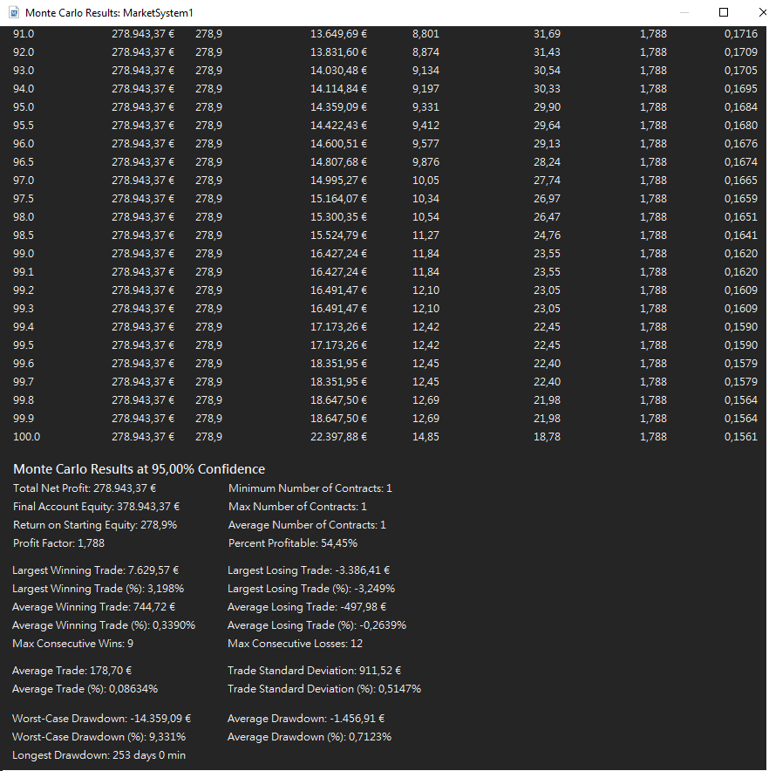
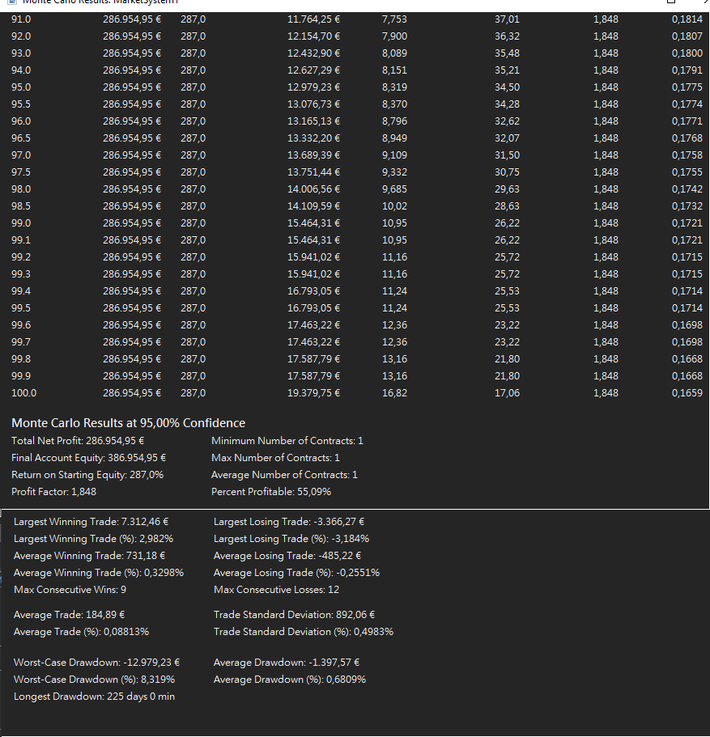
1. Optimización por R CALMAR | 2. Optimización por R/R
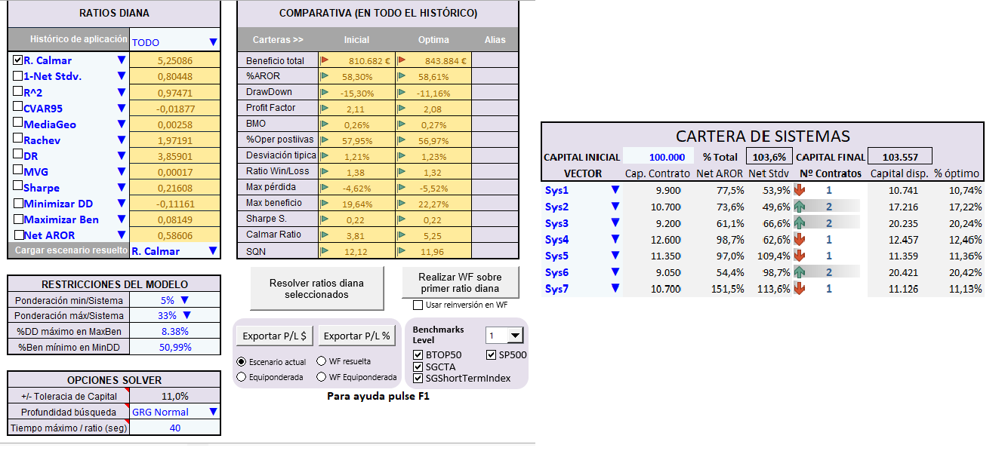
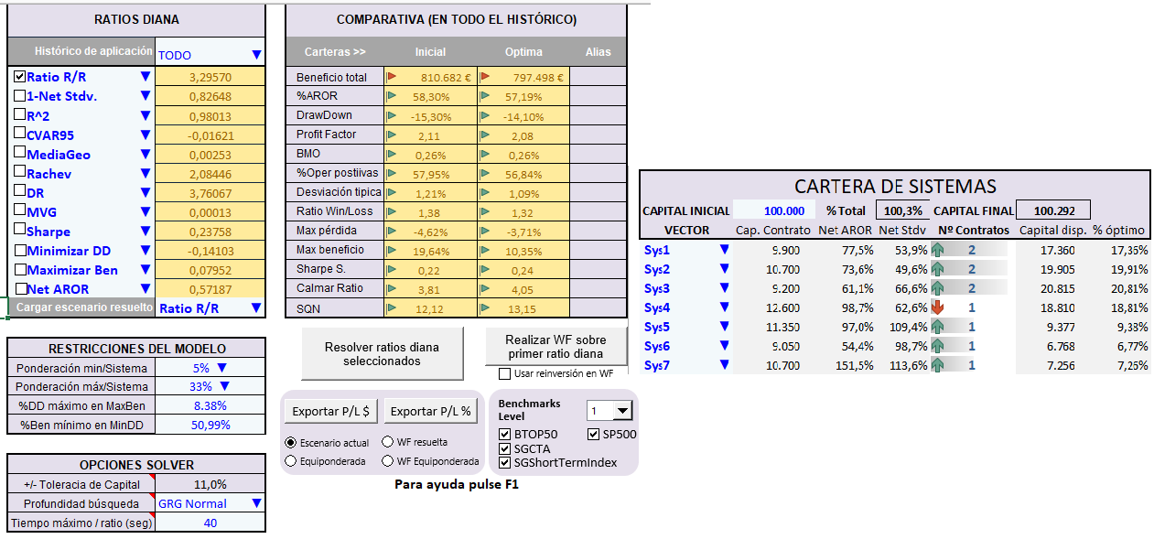

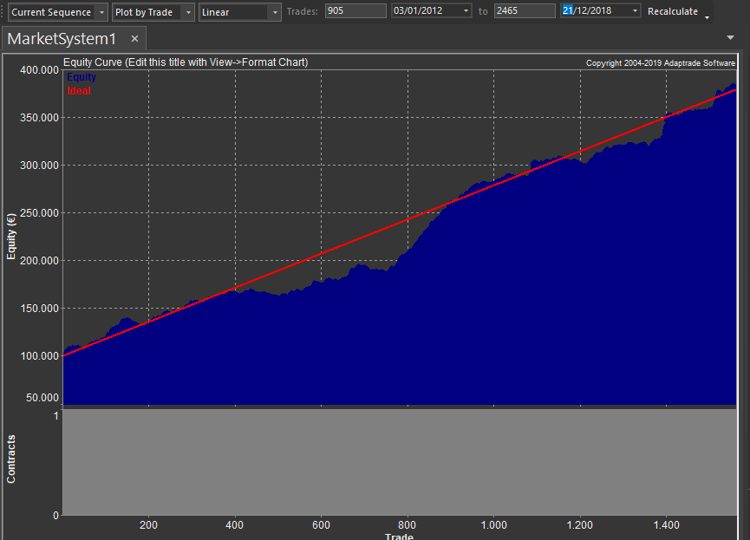
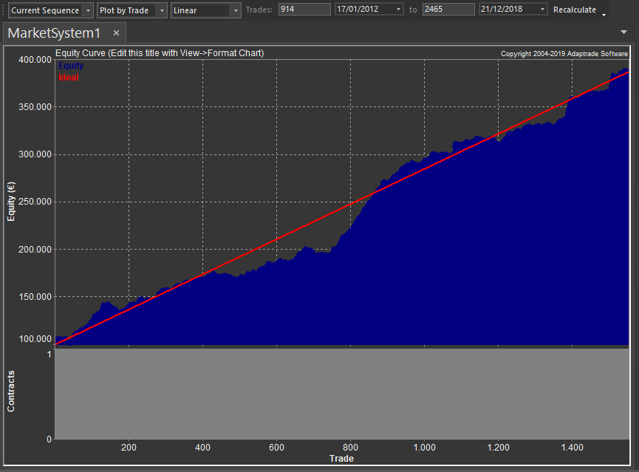

El DD de Montecarlo al 95% queda en 9,33% con Optimización de la Cartera por el Ratio Calmar.
(Si Optimizaramos por R/R el DD de Montecarlo al 95% queda en 8,31%).
Elegimos por tanto el ratio RR

Limitacion Garantías
Sistema | UPM2022
Periodo
 | Out of Sample: |  | 2016-2018
 | In Sample: |  | 2013-2015

Tipo de WF | WF I: 3 años- 1 año

Mercado |  | BUND | BUND | RUSSEL | SP500 | NASDAQ | ES | NASDAQ |  | MAX GARANTIAS PORTFOLIO
Nº contratos |  | 2 | 2 | 2 | 1 | 1 | 1 | 3
Garantías |  | 5,800 | 5,800 | 6,500 | 6,200 | 5,150 | 6,200 | 5,150 |  | 57,850 €

Peor Perdida |  | 4,100 | 4,900 | 5,100 | 6,100 | 5,150 | 4,950 | 6,000 |  | 51,150 €

Max DD. Montecarlo 95% |  |  |  |  |  |  |  |  | 12,979 €

Factor Corrector DD |  | 1.3

Capital Mínimo Portfolio |  | 158,573 € | Redondeamos al alza |  |  |  | CAPITAL ESTIMADO |  | 160,000 €

Money Management Empleado: |  |  | FIXED RATIO |  |  |  | FORMULA

Límite de las garantías:

TABLA DE ASIGNACION DEL CAPITAL (ver pags 324-326 del Manual I)

Desde del punto de vista del MM podria ser interesante capitalizar más la cuenta a cambio de disminudir la delta. Nosotros vamos a operar con 250000 que es una capital que reduce sensiblemente la delta.
 |  |  |  | CAPITAL
 |  | 160,000 | 175,000 | 200,000 | 250,000 | 300,000 | 400,000
 | n (max) = | 4.98 | 5.50 | 6.37 | 8.11 | 9.84 | 13.31
 | δ = | 12,925 € | 11,570 € | 9,852 € | 7,602 € | 6,191 € | 4,516 €
 | δ mínima operativa = | 64,075 € | 62,720 € | 61,002 € | 58,752 € | 57,341 € | 55,666 €

Tenemos en cuenta la máxima pérdida que podríamos sufrir (muy improbable pero posible) para que no nos cierren por falta de garantías

Selección

OPTIMIZACION IN SAMPLE
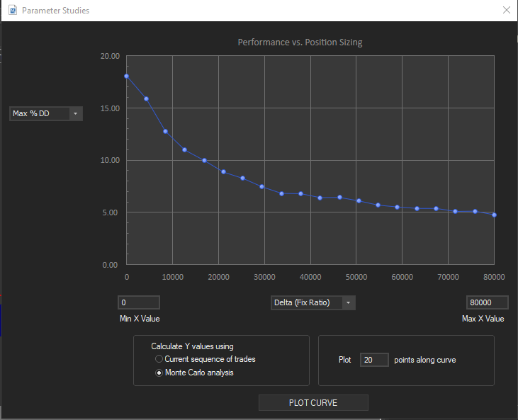
Aquí vemos cómo se hace la optimización In sample para aplicar al primer periodo del Out of Sample. con el resto de periodos se hace de manera idéntica. Pag 324. Pto 5.3.2.
OPTIMIZACION IN SAMPLE
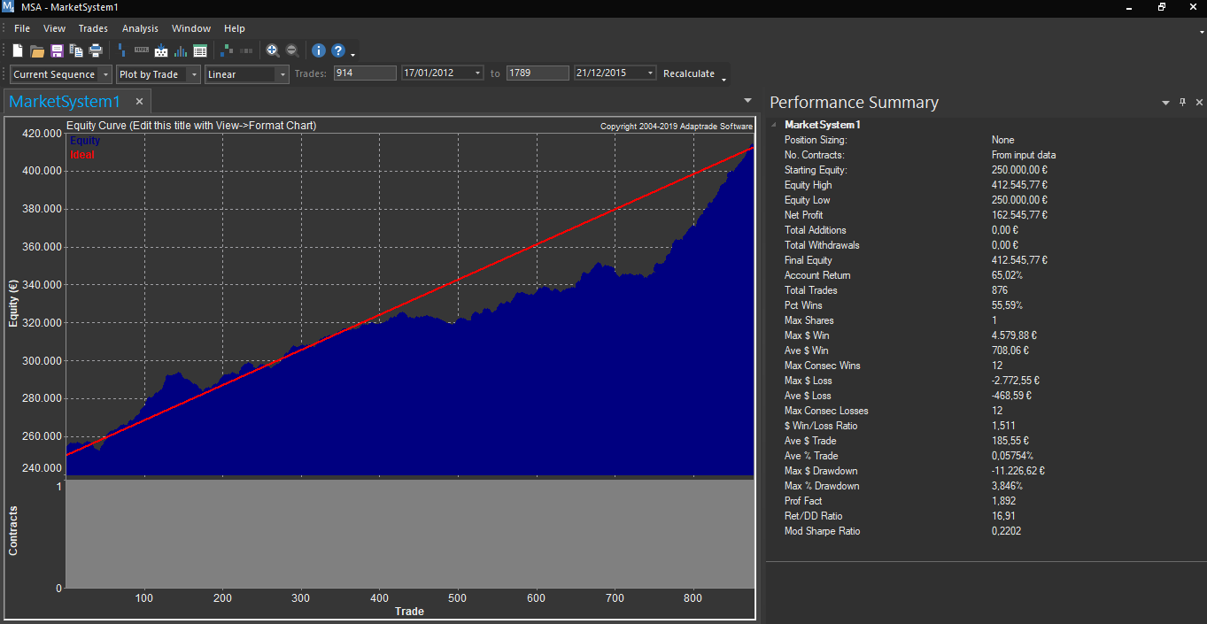

Cartera | UPM2022

Mercados: | BUND | BUND | RUSSEL | SP500 | NASDAQ | SP500 | NASDAQ
Contratos | 2 | 2 | 2 | 1 | 1 | 1 | 3

Hemos asumido una aversión al riesgo media
Periodo | 2012-01-01 | 2015-12-31
El Delta minimo operativo (58752
) es bastante estable
Riesgo Máximo Permitido |  | 15%

CAPITAL : | 250,000 €

El delta óptimo es inferior al delta mínimo, por lo que escogemos el delta mínimo
Parametro óptimo |  |  | δ óptima In sample = | 7,618 €
Limite mínimo delta: |  |  | δ mínima operativa = | 58,752 €

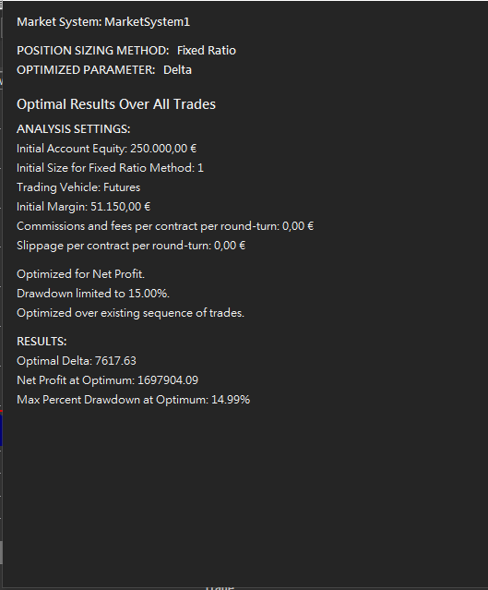
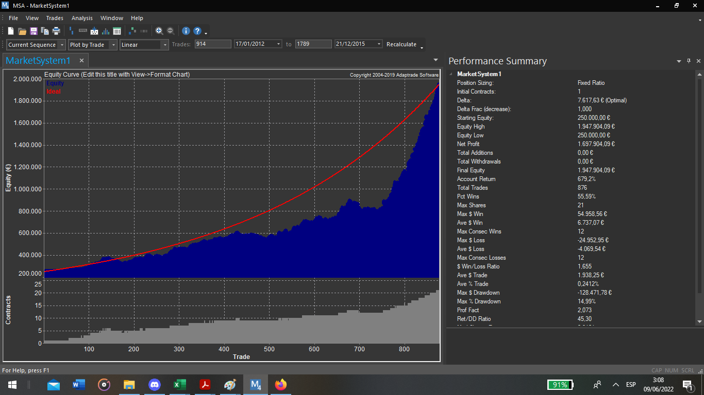
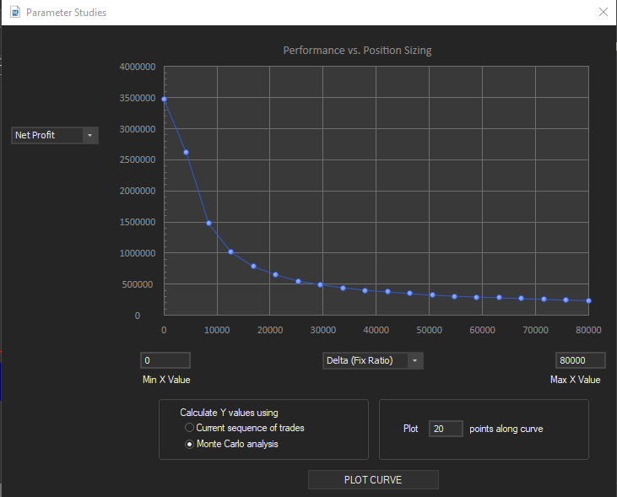

Optimizamos por Net Profit y no por el Return-DD ratio (ya que el DD está controlado al 35%)

La delta que optenemos en la optimización (7618) está muy por debajo de la delta minima operativa (58752) y ademas parece que no es muy estable, mientras que el delta minimo operativo si lo es, como se deduce del analisis de sensibilidad.

WALKFORWARD
 | WALK-FORWARD
Vemos como se construye el Out of Sample de periodo en periodo
CARTERA | UPM2022
Periodo | 2013-2018
Tipo de WF | WF : 3 años-1 año

Delta Mínima Operativa |  | 58,752 €

CAPITAL INICIAL |  | 250,000 € |  | 15%
 |  |  |  |  |  | OBTENCIÓN DE LOS DATOS DE LA TABLA
Configuramos el inicio del siguiente periodo con los capitales y número de contratos con el que acabamos el anterior
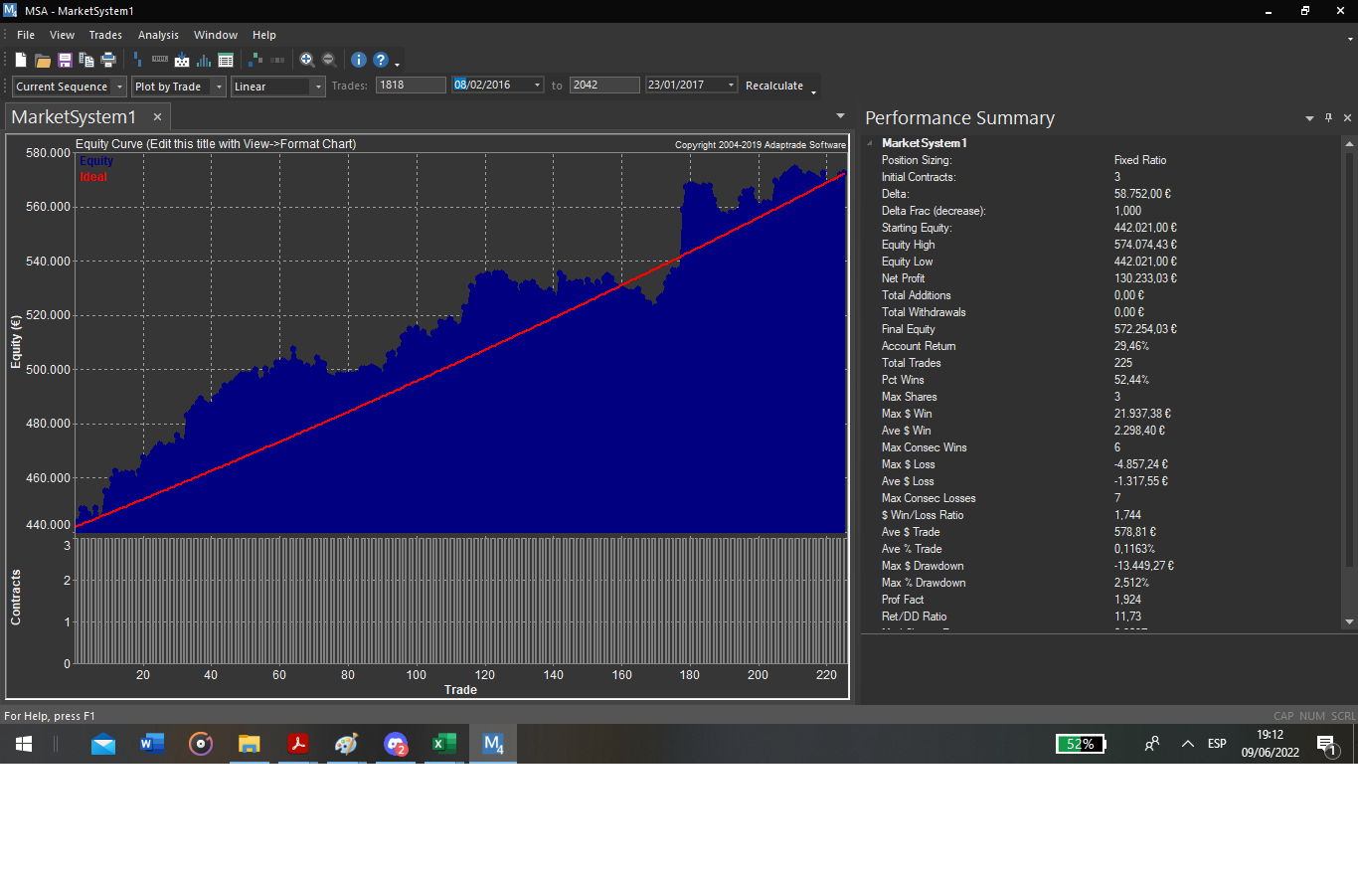
Periodo Opt In sample | 01/01/13-01/01/16 | 01/01/14-01/01/17 | 01/01/15-01/01/18
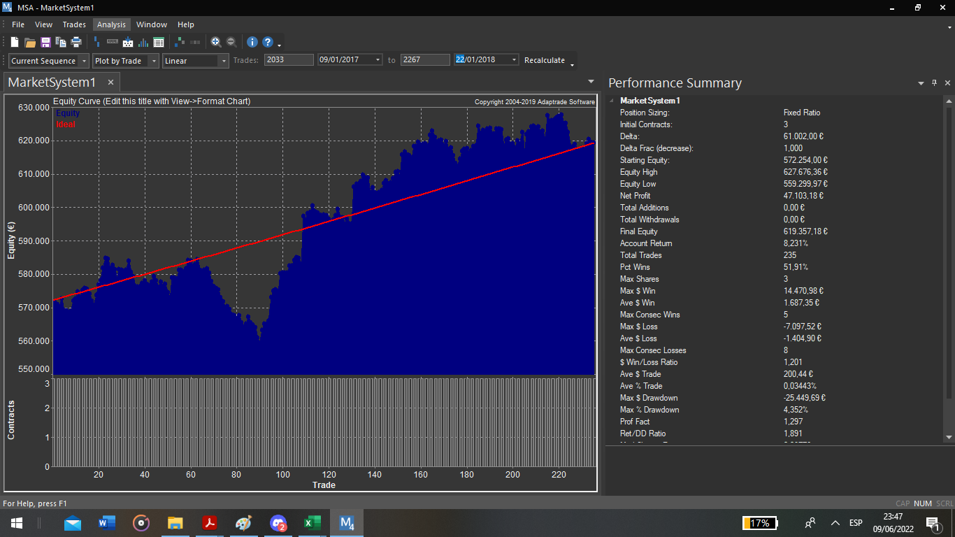
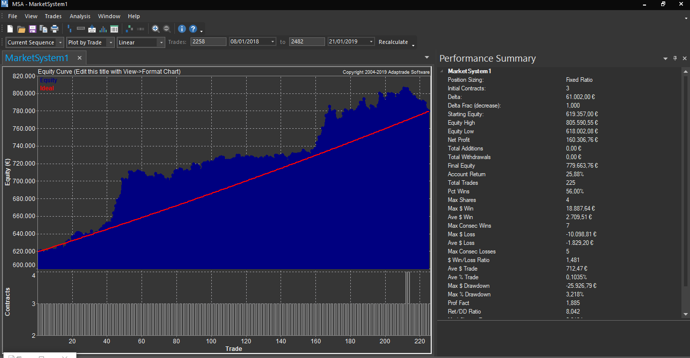
δ óptima | 6,929 € | 8,946 € | 2,835 €
δ seleccionada | 58,752 € | 61,002 € | 61,002 €

Periodo Opt | 01/01/13-31/12/15 | 01/01/14-31/12/16 | 01/01/15-31/01/18 | MEDIAS | DesvTipica
Periodo OS | 01/01/16-31/12/16 | 01/01/17-31/12/17 | 01/01/18-31/12/18
Ratio | 11.73 | 1.89 | 8.04 | 7.22 | 4.97
Net Profit | 130.233.03 | 47,103 | 160,307 | 103,705 | 80,047
Net Profit Porc. | 29.46% | 8.23% | 25.88% | 21.19% | 11.37%
DD Porc. Ptos | 2.51% | 4.35% | 3.28% | 3.38% | 0.93%
Peor Negocio | 0.96% | 1.14% | 1.27% | 1.12% | 0.16%
Gan/Neg. | 0.11% | 0.38% | 0.10% | 0.20% | 0.16%
Profit Factor | 1.92 | 1.30 | 1.89 | 1.70 | 0.35
Win/Loss | 1.74 | 1.20 | 1.48 | 1.47 | 0.27
Fiabilidad (%) | 23.50 | 7.02 | 56.00 | 28.84 | 24.92
ESM | -0.36 | -0.85 | 0.39 | -0.27 | 0.62
Nº Negocios | 225 | 235 | 225 | 228.33 | 5.77

Capital Inicial | 250,000 € | 572,254 € | 619,357 €
Capital Final | 572,254 € | 619,357 € | 779,664 €

Anotación, he utilizado la cantidad inicial en el primer periodo del IS, de forma que el primer periodo del OS empieza con el equity final del IS, y con la misma cantidad de contratos. Las estadísticas de esta columna corresponden al primer tramo del OS.

 |  |  |  |  |  |  |  |  |  |  |  |  |  |  |  |  |  |  |  |  |  |  |  |  |  |  |  | MARKET SYSTEM: MARKETSYSTEM1
 |  |  |  |  |  | MARKET SYSTEM: UPM2022 |  |  |  |  |  |  |  |  |  |  | MARKET SYSTEM: MARKETSYSTEM1
 |  |  |  |  |  |  |  |  |  |  |  |  |  |  |  |  |  |  |  |  |  |  |  |  |  |  |  | ACCOUNT SETTINGS
 |  |  |  |  |  | ACCOUNT SETTINGS |  |  |  |  |  |  |  |  |  |  | ACCOUNT SETTINGS |  |  |  |  |  |  |  |  |  |  | Starting Equity: 619.357,00 ¬
 |  |  |  |  |  | Starting Equity: 442.021,00 ¬ |  |  |  |  |  |  |  |  |  |  | Starting Equity: 572.254,00 ¬ |  |  |  |  |  |  |  |  |  |  | Trading Vehicle: Futures
 |  |  |  |  |  | Trading Vehicle: Futures |  |  |  |  |  |  |  |  |  |  | Trading Vehicle: Futures |  |  |  |  |  |  |  |  |  |  | Initial Margin: 51.150,00 ¬
 |  |  |  |  |  | Initial Margin: 51.150,00 ¬ |  |  |  |  |  |  |  |  |  |  | Initial Margin: 51.150,00 ¬ |  |  |  |  |  |  |  |  |  |  | Commissions and fees per contract per round-turn: 0,00 ¬
 |  |  |  |  |  | Commissions and fees per contract per round-turn: 0,00 ¬ |  |  |  |  |  |  |  |  |  |  | Commissions and fees per contract per round-turn: 0,00 ¬ |  |  |  |  |  |  |  |  |  |  | Slippage per contract per round-turn: 0,00 ¬
 |  |  |  |  |  | Slippage per contract per round-turn: 0,00 ¬ |  |  |  |  |  |  |  |  |  |  | Slippage per contract per round-turn: 0,00 ¬
 |  |  |  |  |  |  |  |  |  |  |  |  |  |  |  |  |  |  |  |  |  |  |  |  |  |  |  | INPUT DATA SETTINGS
 |  |  |  |  |  | INPUT DATA SETTINGS |  |  |  |  |  |  |  |  |  |  | INPUT DATA SETTINGS |  |  |  |  |  |  |  |  |  |  | Profit/loss and risk calculated from P/L and risk inputs.
 |  |  |  |  |  | Profit/loss and risk calculated from P/L and risk inputs. |  |  |  |  |  |  |  |  |  |  | Profit/loss and risk calculated from P/L and risk inputs. |  |  |  |  |  |  |  |  |  |  | Trades File: Undef
 |  |  |  |  |  | Trades File: Undef |  |  |  |  |  |  |  |  |  |  | Trades File: Undef
 |  |  |  |  |  |  |  |  |  |  |  |  |  |  |  |  |  |  |  |  |  |  |  |  |  |  |  | POSITION SIZING SETTINGS & RULES
 |  |  |  |  |  | POSITION SIZING SETTINGS & RULES |  |  |  |  |  |  |  |  |  |  | POSITION SIZING SETTINGS & RULES |  |  |  |  |  |  |  |  |  |  | Position Sizing Method: Fixed Ratio
 |  |  |  |  |  | Position Sizing Method: Fixed Ratio |  |  |  |  |  |  |  |  |  |  | Position Sizing Method: Fixed Ratio |  |  |  |  |  |  |  |  |  |  | Initial Contracts: 3
 |  |  |  |  |  | Initial Contracts: 3 |  |  |  |  |  |  |  |  |  |  | Initial Contracts: 3 |  |  |  |  |  |  |  |  |  |  | Delta: 61.002,00 ¬
 |  |  |  |  |  | Delta: 58.752,00 ¬ |  |  |  |  |  |  |  |  |  |  | Delta: 61.002,00 ¬
 |  |  |  |  |  |  |  |  |  |  |  |  |  |  |  |  |  |  |  |  |  |  |  |  |  |  |  | ,ALL TRADES,LONG
 |  |  |  |  |  | ,ALL TRADES,LONG |  |  |  |  |  |  |  |  |  |  | ,ALL TRADES,LONG |  |  |  |  |  |  |  |  |  |  | Total Net Profit, | 160.306,76 ¬ | 160.306,76 ¬
 |  |  |  |  |  | Total Net Profit, | 130.233,03 ¬ | 130.233,03 ¬ |  |  |  |  |  |  |  |  | Total Net Profit, | 47.103,18 ¬ | 47.103,18 ¬ |  |  |  |  |  |  |  |  | Gross Profit, | 341.397,77 ¬ | 341.397,77 ¬
 |  |  |  |  |  | Gross Profit, | 271.211,37 ¬ | 271.211,37 ¬ |  |  |  |  |  |  |  |  | Gross Profit, | 205.856,79 ¬ | 205.856,79 ¬ |  |  |  |  |  |  |  |  | Gross Loss, | -181.091,01 ¬ | -181.091,01 ¬
 |  |  |  |  |  | Gross Loss, | -140.978,34 ¬ | -140.978,34 ¬ |  |  |  |  |  |  |  |  | Gross Loss, | -158.753,61 ¬ | -158.753,61 ¬ |  |  |  |  |  |  |  |  | Profit Factor, | 1.885 | 1.885
 |  |  |  |  |  | Profit Factor, | 1.924 | 1.924 |  |  |  |  |  |  |  |  | Profit Factor, | 1.297 | 1.297 |  |  |  |  |  |  |  |  | Pessimistic Return Ratio, | 1.56 | 1.56
 |  |  |  |  |  | Pessimistic Return Ratio, | 1.593 | 1.593 |  |  |  |  |  |  |  |  | Pessimistic Return Ratio, | 1.078 | 1.078 |  |  |  |  |  |  |  |  | Trading Period,08/01/2018 to 21/01/2019 (1 years 12 days)
 |  |  |  |  |  | Trading Period,08/02/2016 to 23/01/2017 (350 days 0 min) |  |  |  |  |  |  |  |  |  |  | Trading Period,09/01/2017 to 22/01/2018 (1 years 12 days) |  |  |  |  |  |  |  |  |  |  | Starting Account Equity, | 619.357,00 ¬
 |  |  |  |  |  | Starting Account Equity, | 442.021,00 ¬ |  |  |  |  |  |  |  |  |  | Starting Account Equity, | 572.254,00 ¬ |  |  |  |  |  |  |  |  |  | Highest Closed Trade Equity, | 805.590,55 ¬
 |  |  |  |  |  | Highest Closed Trade Equity, | 574.074,43 ¬ |  |  |  |  |  |  |  |  |  | Highest Closed Trade Equity, | 627.676,36 ¬ |  |  |  |  |  |  |  |  |  | Lowest Closed Trade Equity, | 618.002,08 ¬
 |  |  |  |  |  | Lowest Closed Trade Equity, | 442.021,00 ¬ |  |  |  |  |  |  |  |  |  | Lowest Closed Trade Equity, | 559.299,97 ¬ |  |  |  |  |  |  |  |  |  | Additions to Equity, | 0,00 ¬
 |  |  |  |  |  | Additions to Equity, | 0,00 ¬ |  |  |  |  |  |  |  |  |  | Additions to Equity, | 0,00 ¬ |  |  |  |  |  |  |  |  |  | Withdrawals From Equity, | 0,00 ¬
 |  |  |  |  |  | Withdrawals From Equity, | 0,00 ¬ |  |  |  |  |  |  |  |  |  | Withdrawals From Equity, | 0,00 ¬ |  |  |  |  |  |  |  |  |  | Total Commissions & Fees, | 0,00 ¬ | 0,00 ¬
 |  |  |  |  |  | Total Commissions & Fees, | 0,00 ¬ | 0,00 ¬ |  |  |  |  |  |  |  |  | Total Commissions & Fees, | 0,00 ¬ | 0,00 ¬ |  |  |  |  |  |  |  |  | Total Slippage, | 0,00 ¬ | 0,00 ¬
 |  |  |  |  |  | Total Slippage, | 0,00 ¬ | 0,00 ¬ |  |  |  |  |  |  |  |  | Total Slippage, | 0,00 ¬ | 0,00 ¬ |  |  |  |  |  |  |  |  | Final Account Equity, | 779.663,76 ¬
 |  |  |  |  |  | Final Account Equity, | 572.254,03 ¬ |  |  |  |  |  |  |  |  |  | Final Account Equity, | 619.357,18 ¬ |  |  |  |  |  |  |  |  |  | Return on Starting Equity, | 25.88% | 25.88%
 |  |  |  |  |  | Return on Starting Equity, | 29.46% | 29.46% |  |  |  |  |  |  |  |  | Return on Starting Equity, | 8.23% | 8.23% |  |  |  |  |  |  |  |  | Total Number of Trades,225,225
 |  |  |  |  |  | Total Number of Trades,225,225 |  |  |  |  |  |  |  |  |  |  | Total Number of Trades,235,235 |  |  |  |  |  |  |  |  |  |  | Number of Winning Trades,126,126
 |  |  |  |  |  | Number of Winning Trades,118,118 |  |  |  |  |  |  |  |  |  |  | Number of Winning Trades,122,122 |  |  |  |  |  |  |  |  |  |  | Number of Losing Trades,99,99
 |  |  |  |  |  | Number of Losing Trades,107,107 |  |  |  |  |  |  |  |  |  |  | Number of Losing Trades,113,113 |  |  |  |  |  |  |  |  |  |  | Trades Not Taken,0,0
 |  |  |  |  |  | Trades Not Taken,0,0 |  |  |  |  |  |  |  |  |  |  | Trades Not Taken,0,0 |  |  |  |  |  |  |  |  |  |  | Percent Profitable, | 56.00% | 56.00%
 |  |  |  |  |  | Percent Profitable, | 52.44% | 52.44% |  |  |  |  |  |  |  |  | Percent Profitable, | 51.91% | 51.91% |  |  |  |  |  |  |  |  | Max Number of Contracts,4,4
 |  |  |  |  |  | Max Number of Contracts,3,3 |  |  |  |  |  |  |  |  |  |  | Max Number of Contracts,3,3 |  |  |  |  |  |  |  |  |  |  | Minimum Number of Contracts,3,3
 |  |  |  |  |  | Minimum Number of Contracts,3,3 |  |  |  |  |  |  |  |  |  |  | Minimum Number of Contracts,3,3 |  |  |  |  |  |  |  |  |  |  | Average Number of Contracts, | 3.013 | 3.013
 |  |  |  |  |  | Average Number of Contracts,3,3 |  |  |  |  |  |  |  |  |  |  | Average Number of Contracts,3,3 |  |  |  |  |  |  |  |  |  |  | Total Number of Contracts,678,678
 |  |  |  |  |  | Total Number of Contracts,675,675 |  |  |  |  |  |  |  |  |  |  | Total Number of Contracts,705,705 |  |  |  |  |  |  |  |  |  |  | Max Number of Open Positions,1
 |  |  |  |  |  | Max Number of Open Positions,1 |  |  |  |  |  |  |  |  |  |  | Max Number of Open Positions,1 |  |  |  |  |  |  |  |  |  |  | Ave Number of Open Positions,1
 |  |  |  |  |  | Ave Number of Open Positions,1 |  |  |  |  |  |  |  |  |  |  | Ave Number of Open Positions,1 |  |  |  |  |  |  |  |  |  |  | Largest Winning Trade, | 18.887,64 ¬ | 18.887,64 ¬
 |  |  |  |  |  | Largest Winning Trade, | 21.937,38 ¬ | 21.937,38 ¬ |  |  |  |  |  |  |  |  | Largest Winning Trade, | 14.470,98 ¬ | 14.470,98 ¬ |  |  |  |  |  |  |  |  | /Percent of Equity, | 2.77% | 2.77%
 |  |  |  |  |  | /Percent of Equity, | 4.09% | 4.09% |  |  |  |  |  |  |  |  | /Percent of Equity, | 2.48% | 2.48% |  |  |  |  |  |  |  |  | Largest Winning Trade (%), | 2.77% | 2.77%
 |  |  |  |  |  | Largest Winning Trade (%), | 4.09% | 4.09% |  |  |  |  |  |  |  |  | Largest Winning Trade (%), | 2.48% | 2.48% |  |  |  |  |  |  |  |  | /Trade Value, | 18.887,64 ¬ | 18.887,64 ¬
 |  |  |  |  |  | /Trade Value, | 21.937,38 ¬ | 21.937,38 ¬ |  |  |  |  |  |  |  |  | /Trade Value, | 14.470,98 ¬ | 14.470,98 ¬ |  |  |  |  |  |  |  |  | Average Winning Trade, | 2.709,51 ¬ | 2.709,51 ¬
 |  |  |  |  |  | Average Winning Trade, | 2.298,40 ¬ | 2.298,40 ¬ |  |  |  |  |  |  |  |  | Average Winning Trade, | 1.687,35 ¬ | 1.687,35 ¬ |  |  |  |  |  |  |  |  | Average Winning Trade (%), | 0.38% | 0.38%
 |  |  |  |  |  | Average Winning Trade (%), | 0.45% | 0.45% |  |  |  |  |  |  |  |  | Average Winning Trade (%), | 0.28% | 0.28% |  |  |  |  |  |  |  |  | Average R-Multiple, Wins, | 0 | 0
 |  |  |  |  |  | Average R-Multiple, Wins, | 0 | 0 |  |  |  |  |  |  |  |  | Average R-Multiple, Wins, | 0 | 0 |  |  |  |  |  |  |  |  | Average Length of Wins,0 sec,0 sec
 |  |  |  |  |  | Average Length of Wins,0 sec,0 sec |  |  |  |  |  |  |  |  |  |  | Average Length of Wins,0 sec,0 sec |  |  |  |  |  |  |  |  |  |  | Max Number Consecutive Wins,7,7
 |  |  |  |  |  | Max Number Consecutive Wins,6,6 |  |  |  |  |  |  |  |  |  |  | Max Number Consecutive Wins,5,5 |  |  |  |  |  |  |  |  |  |  | Largest Losing Trade, | -10.098,81 ¬ | -10.098,81 ¬
 |  |  |  |  |  | Largest Losing Trade, | -4.857,24 ¬ | -4.857,24 ¬ |  |  |  |  |  |  |  |  | Largest Losing Trade, | -7.097,52 ¬ | -7.097,52 ¬ |  |  |  |  |  |  |  |  | /Percent of Equity, | -1.27% | -1.27%
 |  |  |  |  |  | /Percent of Equity, | -0.96% | -0.96% |  |  |  |  |  |  |  |  | /Percent of Equity, | -1.14% | -1.14% |  |  |  |  |  |  |  |  | Largest Losing Trade (%), | -1.27% | -1.27%
 |  |  |  |  |  | Largest Losing Trade (%), | -0.96% | -0.96% |  |  |  |  |  |  |  |  | Largest Losing Trade (%), | -1.14% | -1.14% |  |  |  |  |  |  |  |  | /Trade Value, | -10.098,81 ¬ | -10.098,81 ¬
 |  |  |  |  |  | /Trade Value, | -4.857,24 ¬ | -4.857,24 ¬ |  |  |  |  |  |  |  |  | /Trade Value, | -7.097,52 ¬ | -7.097,52 ¬ |  |  |  |  |  |  |  |  | Average Losing Trade, | -1.829,20 ¬ | -1.829,20 ¬
 |  |  |  |  |  | Average Losing Trade, | -1.317,55 ¬ | -1.317,55 ¬ |  |  |  |  |  |  |  |  | Average Losing Trade, | -1.404,90 ¬ | -1.404,90 ¬ |  |  |  |  |  |  |  |  | Average Losing Trade (%), | -0.25% | -0.25%
 |  |  |  |  |  | Average Losing Trade (%), | -0.25% | -0.25% |  |  |  |  |  |  |  |  | Average Losing Trade (%), | -0.24% | -0.24% |  |  |  |  |  |  |  |  | Average R-Multiple, Losses, | 0 | 0
 |  |  |  |  |  | Average R-Multiple, Losses, | 0 | 0 |  |  |  |  |  |  |  |  | Average R-Multiple, Losses, | 0 | 0 |  |  |  |  |  |  |  |  | Average Length of Losses,0 sec,0 sec
 |  |  |  |  |  | Average Length of Losses,0 sec,0 sec |  |  |  |  |  |  |  |  |  |  | Average Length of Losses,0 sec,0 sec |  |  |  |  |  |  |  |  |  |  | Max Number Consecutive Losses,5,5
 |  |  |  |  |  | Max Number Consecutive Losses,7,7 |  |  |  |  |  |  |  |  |  |  | Max Number Consecutive Losses,8,8 |  |  |  |  |  |  |  |  |  |  | Average Trade (Expectation), | 712,47 ¬ | 712,47 ¬
 |  |  |  |  |  | Average Trade (Expectation), | 578,81 ¬ | 578,81 ¬ |  |  |  |  |  |  |  |  | Average Trade (Expectation), | 200,44 ¬ | 200,44 ¬ |  |  |  |  |  |  |  |  | Average Trade (%), | 0.10% | 0.10%
 |  |  |  |  |  | Average Trade (%), | 0.12% | 0.12% |  |  |  |  |  |  |  |  | Average Trade (%), | 0.03% | 0.03% |  |  |  |  |  |  |  |  | Trade Standard Deviation, | 3.423,14 ¬ | 3.423,14 ¬
 |  |  |  |  |  | Trade Standard Deviation, | 2.852,74 ¬ | 2.852,74 ¬ |  |  |  |  |  |  |  |  | Trade Standard Deviation, | 2.328,50 ¬ | 2.328,50 ¬ |  |  |  |  |  |  |  |  | Trade Standard Deviation (%), | 0.47% | 0.47%
 |  |  |  |  |  | Trade Standard Deviation (%), | 0.55% | 0.55% |  |  |  |  |  |  |  |  | Trade Standard Deviation (%), | 0.39% | 0.39% |  |  |  |  |  |  |  |  | Win/Loss Ratio, | 1.481 | 1.481
 |  |  |  |  |  | Win/Loss Ratio, | 1.744 | 1.744 |  |  |  |  |  |  |  |  | Win/Loss Ratio, | 1.201 | 1.201 |  |  |  |  |  |  |  |  | Win/Loss Ratio (%/%), | 1.531 | 1.531
 |  |  |  |  |  | Win/Loss Ratio (%/%), | 1.781 | 1.781 |  |  |  |  |  |  |  |  | Win/Loss Ratio (%/%), | 1.208 | 1.208 |  |  |  |  |  |  |  |  | Return/Drawdown Ratio, | 8.042 | 8.042
 |  |  |  |  |  | Return/Drawdown Ratio, | 11.73 | 11.73 |  |  |  |  |  |  |  |  | Return/Drawdown Ratio, | 1.891 | 1.891 |  |  |  |  |  |  |  |  | Profit/Drawdown Ratio, | 6.183 | 6.183
 |  |  |  |  |  | Profit/Drawdown Ratio, | 9.683 | 9.683 |  |  |  |  |  |  |  |  | Profit/Drawdown Ratio, | 1.851 | 1.851 |  |  |  |  |  |  |  |  | Sortino Ratio, | 2.07 | 2.07
 |  |  |  |  |  | Sortino Ratio, | 5.072 | 5.072 |  |  |  |  |  |  |  |  | Sortino Ratio, | 0.8927 | 0.8927 |  |  |  |  |  |  |  |  | MAR Ratio, | 7.74 | 7.74
 |  |  |  |  |  | MAR Ratio, | 12.31 | 12.31 |  |  |  |  |  |  |  |  | MAR Ratio, | 1.825 | 1.825 |  |  |  |  |  |  |  |  | Modified Sharpe Ratio, | 0.2194 | 0.2194
 |  |  |  |  |  | Modified Sharpe Ratio, | 0.2097 | 0.2097 |  |  |  |  |  |  |  |  | Modified Sharpe Ratio, | 0.08776 | 0.08776 |  |  |  |  |  |  |  |  | Sharpe Ratio, | 0.7621 | 0.7621
 |  |  |  |  |  | Sharpe Ratio, | 0.9293 | 0.9293 |  |  |  |  |  |  |  |  | Sharpe Ratio, | 0.313 | 0.313 |  |  |  |  |  |  |  |  | Average Risk, | 0,00 ¬ | 0,00 ¬
 |  |  |  |  |  | Average Risk, | 0,00 ¬ | 0,00 ¬ |  |  |  |  |  |  |  |  | Average Risk, | 0,00 ¬ | 0,00 ¬ |  |  |  |  |  |  |  |  | Average Risk (%), | 0.00% | 0.00%
 |  |  |  |  |  | Average Risk (%), | 0.00% | 0.00% |  |  |  |  |  |  |  |  | Average Risk (%), | 0.00% | 0.00% |  |  |  |  |  |  |  |  | Max Risk (%), | 0.00% | 0.00%
 |  |  |  |  |  | Max Risk (%), | 0.00% | 0.00% |  |  |  |  |  |  |  |  | Max Risk (%), | 0.00% | 0.00% |  |  |  |  |  |  |  |  | /Risk Value, | 0,00 ¬ | 0,00 ¬
 |  |  |  |  |  | /Risk Value, | 0,00 ¬ | 0,00 ¬ |  |  |  |  |  |  |  |  | /Risk Value, | 0,00 ¬ | 0,00 ¬ |  |  |  |  |  |  |  |  | Date of Max Risk,0:00:00,0:00:00
 |  |  |  |  |  | Date of Max Risk,0:00:00,0:00:00 |  |  |  |  |  |  |  |  |  |  | Date of Max Risk,0:00:00,0:00:00 |  |  |  |  |  |  |  |  |  |  | Average R-Multiple (Expectancy), | 0 | 0
 |  |  |  |  |  | Average R-Multiple (Expectancy), | 0 | 0 |  |  |  |  |  |  |  |  | Average R-Multiple (Expectancy), | 0 | 0 |  |  |  |  |  |  |  |  | R-Multiple Standard Deviation, | 0 | 0
 |  |  |  |  |  | R-Multiple Standard Deviation, | 0 | 0 |  |  |  |  |  |  |  |  | R-Multiple Standard Deviation, | 0 | 0 |  |  |  |  |  |  |  |  | Total R-Multiple, | 0 | 0
 |  |  |  |  |  | Total R-Multiple, | 0 | 0 |  |  |  |  |  |  |  |  | Total R-Multiple, | 0 | 0 |  |  |  |  |  |  |  |  | Van Tharp SQN, | 0 | 0
 |  |  |  |  |  | Van Tharp SQN, | 0 | 0 |  |  |  |  |  |  |  |  | Van Tharp SQN, | 0 | 0 |  |  |  |  |  |  |  |  | Average Margin, | 154.132,00 ¬ | 154.132,00 ¬
 |  |  |  |  |  | Average Margin, | 153.450,00 ¬ | 153.450,00 ¬ |  |  |  |  |  |  |  |  | Average Margin, | 153.450,00 ¬ | 153.450,00 ¬ |  |  |  |  |  |  |  |  | Average Margin (%), | 21.52% | 21.52%
 |  |  |  |  |  | Average Margin (%), | 29.80% | 29.80% |  |  |  |  |  |  |  |  | Average Margin (%), | 25.77% | 25.77% |  |  |  |  |  |  |  |  | Max Margin (%), | 25.42% | 25.42%
 |  |  |  |  |  | Max Margin (%), | 34.72% | 34.72% |  |  |  |  |  |  |  |  | Max Margin (%), | 27.44% | 27.44% |  |  |  |  |  |  |  |  | /Margin Value, | 204.600,00 ¬ | 204.600,00 ¬
 |  |  |  |  |  | /Margin Value, | 153.450,00 ¬ | 153.450,00 ¬ |  |  |  |  |  |  |  |  | /Margin Value, | 153.450,00 ¬ | 153.450,00 ¬ |  |  |  |  |  |  |  |  | Date of Max Margin,31/12/2018,31/12/2018
 |  |  |  |  |  | Date of Max Margin,08/02/2016,08/02/2016 |  |  |  |  |  |  |  |  |  |  | Date of Max Margin,26/05/2017,26/05/2017 |  |  |  |  |  |  |  |  |  |  | Average Account Leverage, | 0 | 0
 |  |  |  |  |  | Average Account Leverage, | 0 | 0 |  |  |  |  |  |  |  |  | Average Account Leverage, | 0 | 0 |  |  |  |  |  |  |  |  | Max Account Leverage, | 0 | 0
 |  |  |  |  |  | Max Account Leverage, | 0 | 0 |  |  |  |  |  |  |  |  | Max Account Leverage, | 0 | 0 |  |  |  |  |  |  |  |  | Date of Max Account Leverage,0:00:00,0:00:00
 |  |  |  |  |  | Date of Max Account Leverage,0:00:00,0:00:00 |  |  |  |  |  |  |  |  |  |  | Date of Max Account Leverage,0:00:00,0:00:00 |  |  |  |  |  |  |  |  |  |  | Risk of Ruin, | 0.00% | 0.00%
 |  |  |  |  |  | Risk of Ruin, | 0.00% | 0.00% |  |  |  |  |  |  |  |  | Risk of Ruin, | 0.00% | 0.00% |  |  |  |  |  |  |  |  | Average Annual Profit/Loss, | 154.899,59 ¬ | 154.899,59 ¬
 |  |  |  |  |  | Average Annual Profit/Loss, | 135.907,47 ¬ | 135.907,47 ¬ |  |  |  |  |  |  |  |  | Average Annual Profit/Loss, | 45.514,38 ¬ | 45.514,38 ¬ |  |  |  |  |  |  |  |  | Ave Annual Compounded Return, | 24.91% | 24.91%
 |  |  |  |  |  | Ave Annual Compounded Return, | 30.93% | 30.93% |  |  |  |  |  |  |  |  | Ave Annual Compounded Return, | 7.94% | 7.94% |  |  |  |  |  |  |  |  | Average Monthly Profit/Loss, | 12.908,30 ¬ | 12.908,30 ¬
 |  |  |  |  |  | Average Monthly Profit/Loss, | 11.325,62 ¬ | 11.325,62 ¬ |  |  |  |  |  |  |  |  | Average Monthly Profit/Loss, | 3.792,87 ¬ | 3.792,87 ¬ |  |  |  |  |  |  |  |  | Ave Monthly Compounded Return, | 1.87% | 1.87%
 |  |  |  |  |  | Ave Monthly Compounded Return, | 2.27% | 2.27% |  |  |  |  |  |  |  |  | Ave Monthly Compounded Return, | 0.64% | 0.64% |  |  |  |  |  |  |  |  | Average Weekly Profit/Loss, | 2.914,67 ¬ | 2.914,67 ¬
 |  |  |  |  |  | Average Weekly Profit/Loss, | 2.553,59 ¬ | 2.553,59 ¬ |  |  |  |  |  |  |  |  | Average Weekly Profit/Loss, | 856,42 ¬ | 856,42 ¬ |  |  |  |  |  |  |  |  | Ave Weekly Compounded Return, | 0.42% | 0.42%
 |  |  |  |  |  | Ave Weekly Compounded Return, | 0.51% | 0.51% |  |  |  |  |  |  |  |  | Ave Weekly Compounded Return, | 0.14% | 0.14% |  |  |  |  |  |  |  |  | Average Daily Profit/Loss, | 424,09 ¬ | 424,09 ¬
 |  |  |  |  |  | Average Daily Profit/Loss, | 372,09 ¬ | 372,09 ¬ |  |  |  |  |  |  |  |  | Average Daily Profit/Loss, | 124,61 ¬ | 124,61 ¬ |  |  |  |  |  |  |  |  | Ave Daily Compounded Return, | 0.06% | 0.06%
 |  |  |  |  |  | Ave Daily Compounded Return, | 0.07% | 0.07% |  |  |  |  |  |  |  |  | Ave Daily Compounded Return, | 0.02% | 0.02% |  |  |  |  |  |  |  |  | CLOSED TRADE DRAWDOWNS,ALL TRADES,LONG
 |  |  |  |  |  | CLOSED TRADE DRAWDOWNS,ALL TRADES,LONG |  |  |  |  |  |  |  |  |  |  | CLOSED TRADE DRAWDOWNS,ALL TRADES,LONG |  |  |  |  |  |  |  |  |  |  | Number of Drawdowns,29,29
 |  |  |  |  |  | Number of Drawdowns,26,26 |  |  |  |  |  |  |  |  |  |  | Number of Drawdowns,17,17 |  |  |  |  |  |  |  |  |  |  | Average Drawdown, | -4.761,14 ¬ | -4.761,14 ¬
 |  |  |  |  |  | Average Drawdown, | -3.233,40 ¬ | -3.233,40 ¬ |  |  |  |  |  |  |  |  | Average Drawdown, | -5.560,09 ¬ | -5.560,09 ¬ |  |  |  |  |  |  |  |  | Average Drawdown (%), | 0.64% | 0.64%
 |  |  |  |  |  | Average Drawdown (%), | 0.63% | 0.63% |  |  |  |  |  |  |  |  | Average Drawdown (%), | 0.92% | 0.92% |  |  |  |  |  |  |  |  | Average Length of Drawdowns,9 days 11 hours,9 days 11 hours
 |  |  |  |  |  | Average Length of Drawdowns,9 days 18 hours,9 days 18 hours |  |  |  |  |  |  |  |  |  |  | Average Length of Drawdowns,19 days 11 hours,19 days 11 hours |  |  |  |  |  |  |  |  |  |  | Average Trades in Drawdowns, | 5.586 | 5.586
 |  |  |  |  |  | Average Trades in Drawdowns, | 6.385 | 6.385 |  |  |  |  |  |  |  |  | Average Trades in Drawdowns, | 11.94 | 11.94 |  |  |  |  |  |  |  |  | Worst-Case Drawdown, | -25.926,79 ¬ | -25.926,79 ¬
 |  |  |  |  |  | Worst-Case Drawdown, | -13.449,27 ¬ | -13.449,27 ¬ |  |  |  |  |  |  |  |  | Worst-Case Drawdown, | -25.449,69 ¬ | -25.449,69 ¬ |  |  |  |  |  |  |  |  | /Percent of Equity, | 3.22% | 3.22%
 |  |  |  |  |  | /Percent of Equity, | 2.51% | 2.51% |  |  |  |  |  |  |  |  | /Percent of Equity, | 4.35% | 4.35% |  |  |  |  |  |  |  |  | Date at Trough,21/01/2019,21/01/2019
 |  |  |  |  |  | Date at Trough,25/10/2016,25/10/2016 |  |  |  |  |  |  |  |  |  |  | Date at Trough,25/05/2017,25/05/2017 |  |  |  |  |  |  |  |  |  |  | Trade Number at Trough,225,225
 |  |  |  |  |  | Trade Number at Trough,169,169 |  |  |  |  |  |  |  |  |  |  | Trade Number at Trough,90,90 |  |  |  |  |  |  |  |  |  |  | Length of Drawdown,24 days 0 min,24 days 0 min
 |  |  |  |  |  | Length of Drawdown,83 days 0 min,83 days 0 min |  |  |  |  |  |  |  |  |  |  | Length of Drawdown,132 days 0 min,132 days 0 min |  |  |  |  |  |  |  |  |  |  | Trades in Drawdown,14,14
 |  |  |  |  |  | Trades in Drawdown,50,50 |  |  |  |  |  |  |  |  |  |  | Trades in Drawdown,82,82 |  |  |  |  |  |  |  |  |  |  | Worst-Case Drawdown (%), | 3.22% | 3.22%
 |  |  |  |  |  | Worst-Case Drawdown (%), | 2.51% | 2.51% |  |  |  |  |  |  |  |  | Worst-Case Drawdown (%), | 4.35% | 4.35% |  |  |  |  |  |  |  |  | /Equity Value, | -25.926,79 ¬ | -25.926,79 ¬
 |  |  |  |  |  | /Equity Value, | -13.449,27 ¬ | -13.449,27 ¬ |  |  |  |  |  |  |  |  | /Equity Value, | -25.449,69 ¬ | -25.449,69 ¬ |  |  |  |  |  |  |  |  | Date at Trough,21/01/2019,21/01/2019
 |  |  |  |  |  | Date at Trough,25/10/2016,25/10/2016 |  |  |  |  |  |  |  |  |  |  | Date at Trough,25/05/2017,25/05/2017 |  |  |  |  |  |  |  |  |  |  | Trade Number at Trough,225,225
 |  |  |  |  |  | Trade Number at Trough,169,169 |  |  |  |  |  |  |  |  |  |  | Trade Number at Trough,90,90 |  |  |  |  |  |  |  |  |  |  | Length of Drawdown,24 days 0 min,24 days 0 min
 |  |  |  |  |  | Length of Drawdown,83 days 0 min,83 days 0 min |  |  |  |  |  |  |  |  |  |  | Length of Drawdown,132 days 0 min,132 days 0 min |  |  |  |  |  |  |  |  |  |  | Trades in Drawdown,14,14
 |  |  |  |  |  | Trades in Drawdown,50,50 |  |  |  |  |  |  |  |  |  |  | Trades in Drawdown,82,82 |  |  |  |  |  |  |  |  |  |  | Longest Drawdown,39 days 0 min,39 days 0 min
 |  |  |  |  |  | Longest Drawdown,83 days 0 min,83 days 0 min |  |  |  |  |  |  |  |  |  |  | Longest Drawdown,132 days 0 min,132 days 0 min |  |  |  |  |  |  |  |  |  |  | Start of Drawdown,20/07/2018,20/07/2018
 |  |  |  |  |  | Start of Drawdown,12/08/2016,12/08/2016 |  |  |  |  |  |  |  |  |  |  | Start of Drawdown,10/02/2017,10/02/2017 |  |  |  |  |  |  |  |  |  |  | End of Drawdown,28/08/2018,28/08/2018
 |  |  |  |  |  | End of Drawdown,03/11/2016,03/11/2016 |  |  |  |  |  |  |  |  |  |  | End of Drawdown,22/06/2017,22/06/2017 |  |  |  |  |  |  |  |  |  |  | Percent of Equity, | 0.73% | 0.73%
 |  |  |  |  |  | Percent of Equity, | 2.51% | 2.51% |  |  |  |  |  |  |  |  | Percent of Equity, | 4.35% | 4.35%
 |  |  |  |  |  |  |  |  |  |  |  |  |  |  |  |  |  |  |  |  |  |  |  |  |  |  |  | ANNUAL RETURNS
 |  |  |  |  |  | ANNUAL RETURNS |  |  |  |  |  |  |  |  |  |  | ANNUAL RETURNS |  |  |  |  |  |  |  |  |  |  | YEAR,NET PROFIT,ADD/WITH,END EQUITY,RETURN(%),DRAWDOWN,DRAWDOWN(%),TRADES,WINS(%),P FAC,SHARPE
 |  |  |  |  |  | YEAR,NET PROFIT,ADD/WITH,END EQUITY,RETURN(%),DRAWDOWN,DRAWDOWN(%),TRADES,WINS(%),P FAC,SHARPE |  |  |  |  |  |  |  |  |  |  | YEAR,NET PROFIT,ADD/WITH,END EQUITY,RETURN(%),DRAWDOWN,DRAWDOWN(%),TRADES,WINS(%),P FAC,SHARPE |  |  |  |  |  |  |  |  |  |  | 2019 | -25.410,71 ¬ | 0,00 ¬ | 779.663,76 ¬ | -3.156 | 25.410,71 ¬ | 3.156 | ,12, | 16.67 | 0.05628 | -0.2887
 |  |  |  |  |  | 2017 | -1.820,40 ¬ | 0,00 ¬ | 572.254,03 ¬ | -0.3171 | 5.688,72 ¬ | 0.9909 | 35.71 | 0.8096 | -0.2887 |  | 2018 | -8.319,18 ¬ | 0,00 ¬ | 619.357,18 ¬ | -1.325 | 10.991,13 ¬ | 1.751 | ,14, | 42.86 | 0.3766 | -0.2887 | 2018 | 185.717,47 ¬ | 0,00 ¬ | 805.074,47 ¬ | 29.99 | 16.232,61 ¬ | 2.069 | ,213, | 58.22 | 2.205 | 1.152
 |  |  |  |  |  | 2016 | 132.053,43 ¬ | 0,00 ¬ | 574.074,43 ¬ | 29.87 | 13.449,27 ¬ | 2.512 | 53.55 | 2.005 | 0.9522 |  | 2017 | 55.422,36 ¬ | 0,00 ¬ | 627.676,36 ¬ | 9.685 | 25.449,69 ¬ | 4.352 | ,221, | 52.49 | 1.381 | 0.3946 | AVE, | 80.153,38 ¬ | 0,00 ¬ | 792.369,12 ¬ | 13.41 | 20.821,66 ¬ | 2.613 | , | 112.5 | 37.44 | 1.13
 |  |  |  |  |  | AVE, | 65.116,52 ¬ | 0,00 ¬ | 573.164,23 ¬ | 14.78 | 9.569,00 ¬ | 1.751 | 112.5 | 44.63 | 1.407 | 0.3317 | AVE, | 23.551,59 ¬ | 0,00 ¬ | 623.516,77 ¬ | 4.18 | 18.220,41 ¬ | 3.052 | , | 117.5 | 47.67 | 0.8789 | SD, | 149.290,17 ¬ | 0,00 ¬ | 17.968,09 ¬ | 23.43 | 6.489,90 ¬ | 0.769 | , | 142.1 | 29.38 | 1.519
 |  |  |  |  |  | SD, | 94.663,09 ¬ | 0,00 ¬ | 1.287,22 ¬ | 21.35 | 5.487,54 ¬ | 1.075 | 139.3 | 12.61 | 0.8452 | 0.8774 | SD, | 45.072,08 ¬ | 0,00 ¬ | 5.882,55 ¬ | 7.785 | 10.223,75 ¬ | 1.839 | , | 146.4 | 6.811 | 0.7103
 |  |  |  |  |  |  |  |  |  |  |  |  |  |  |  |  |  |  |  |  |  |  |  |  |  |  |  | MONTHLY RETURNS
 |  |  |  |  |  | MONTHLY RETURNS |  |  |  |  |  |  |  |  |  |  | MONTHLY RETURNS |  |  |  |  |  |  |  |  |  |  | MONTH,NET PROFIT,ADD/WITH,END EQUITY,RETURN(%),DRAWDOWN,DRAWDOWN(%),TRADES,WINS(%),P FAC
 |  |  |  |  |  | MONTH,NET PROFIT,ADD/WITH,END EQUITY,RETURN(%),DRAWDOWN,DRAWDOWN(%),TRADES,WINS(%),P FAC |  |  |  |  |  |  |  |  |  |  | MONTH,NET PROFIT,ADD/WITH,END EQUITY,RETURN(%),DRAWDOWN,DRAWDOWN(%),TRADES,WINS(%),P FAC |  |  |  |  |  |  |  |  |  |  | 1-2019, | -25.410,71 ¬ | 0,00 ¬ | 779.663,76 ¬ | -3.156 | 25.410,71 ¬ | 3.156 | ,12, | 16.67 | 0.05628
 |  |  |  |  |  | 1-2017, | -1.820,40 ¬ | 0,00 ¬ | 572.254,03 ¬ | -0.3171 | 5.688,72 ¬ | 0.9909 | 35.71 | 0.8096 |  |  | 1-2018, | -8.319,18 ¬ | 0,00 ¬ | 619.357,18 ¬ | -1.325 | 10.991,13 ¬ | 1.751 | ,14, | 42.86 | 0.3766 |  | 12-2018, | 18.941,02 ¬ | 0,00 ¬ | 805.074,47 ¬ | 2.409 | 9.454,02 ¬ | 1.182 | ,17, | 52.94 | 2.183
 |  |  |  |  |  | 12-2016, | 16.536,15 ¬ | 0,00 ¬ | 574.074,43 ¬ | 2.966 | 6.486,69 ¬ | 1.146 | 63.16 | 2.725 |  |  | 12-2017, | 12.392,76 ¬ | 0,00 ¬ | 627.676,36 ¬ | 2.014 | 4.513,35 ¬ | 0.7228 | ,16, | 75 | 2.717 |  | 11-2018, | 15.901,65 ¬ | 0,00 ¬ | 786.133,45 ¬ | 2.065 | 13.465,44 ¬ | 1.697 | ,21, | 52.38 | 1.707
 |  |  |  |  |  | 11-2016, | 30.505,89 ¬ | 0,00 ¬ | 557.538,28 ¬ | 5.788 | 11.892,66 ¬ | 2.094 | 55 | 3.125 |  |  | 11-2017, | -7.311,66 ¬ | 0,00 ¬ | 615.283,60 ¬ | -1.174 | 8.401,32 ¬ | 1.347 | ,17, | 52.94 | 0.5984 |  | 10-2018, | 37.359,99 ¬ | 0,00 ¬ | 770.231,80 ¬ | 5.098 | 16.232,61 ¬ | 2.069 | ,21, | 71.43 | 2.708
 |  |  |  |  |  | 10-2016, | -7.496,16 ¬ | 0,00 ¬ | 527.032,39 ¬ | -1.402 | 12.512,91 ¬ | 2.341 | 31.25 | 0.4481 |  |  | 10-2017, | 3.054,27 ¬ | 0,00 ¬ | 622.595,26 ¬ | 0.493 | 7.668,36 ¬ | 1.237 | ,21, | 61.9 | 1.223 |  | 9-2018, | 3.309,78 ¬ | 0,00 ¬ | 732.871,81 ¬ | 0.4537 | 7.654,47 ¬ | 1.049 | ,13, | 53.85 | 1.333
 |  |  |  |  |  | 9-2016, | 6.463,11 ¬ | 0,00 ¬ | 534.528,55 ¬ | 1.224 | 5.486,49 ¬ | 1.025 | 50 | 1.416 |  |  | 9-2017, | 8.759,04 ¬ | 0,00 ¬ | 619.540,99 ¬ | 1.434 | 3.338,34 ¬ | 0.536 | ,17, | 52.94 | 2.005 |  | 8-2018, | 3.284,07 ¬ | 0,00 ¬ | 729.562,03 ¬ | 0.4522 | 3.543,96 ¬ | 0.4872 | ,19, | 57.89 | 1.296
 |  |  |  |  |  | 8-2016, | -2.318,94 ¬ | 0,00 ¬ | 528.065,44 ¬ | -0.4372 | 7.637,70 ¬ | 1.426 | 45.45 | 0.8465 |  |  | 8-2017, | 15.810,18 ¬ | 0,00 ¬ | 610.781,95 ¬ | 2.657 | 6.029,04 ¬ | 0.9889 | ,20, | 75 | 2.765 |  | 7-2018, | 1.394,07 ¬ | 0,00 ¬ | 726.277,96 ¬ | 0.1923 | 4.112,01 ¬ | 0.5654 | ,19, | 52.63 | 1.153
 |  |  |  |  |  | 7-2016, | 18.697,26 ¬ | 0,00 ¬ | 530.384,38 ¬ | 3.654 | 4.297,08 ¬ | 0.8344 | 50 | 2.866 |  |  | 7-2017, | -3.220,71 ¬ | 0,00 ¬ | 594.971,77 ¬ | -0.5384 | 5.551,08 ¬ | 0.9244 | ,19, | 42.11 | 0.7047 |  | 6-2018, | 13.265,01 ¬ | 0,00 ¬ | 724.883,89 ¬ | 1.864 | 7.754,46 ¬ | 1.078 | ,17, | 58.82 | 2.071
 |  |  |  |  |  | 6-2016, | 14.122,41 ¬ | 0,00 ¬ | 511.687,12 ¬ | 2.838 | 2.907,72 ¬ | 0.5805 | 50 | 2.912 |  |  | 6-2017, | 32.171,70 ¬ | 0,00 ¬ | 598.192,48 ¬ | 5.684 | 1.982,13 ¬ | 0.3389 | ,17, | 70.59 | 9.513 |  | 5-2018, | 7.350,33 ¬ | 0,00 ¬ | 711.618,88 ¬ | 1.044 | 8.788,65 ¬ | 1.241 | ,21, | 47.62 | 1.419
 |  |  |  |  |  | 5-2016, | 2.420,31 ¬ | 0,00 ¬ | 497.564,71 ¬ | 0.4888 | 9.815,34 ¬ | 1.935 | 50 | 1.131 |  |  | 5-2017, | -9.243,15 ¬ | 0,00 ¬ | 566.020,78 ¬ | -1.607 | 15.963,96 ¬ | 2.775 | ,22, | 31.82 | 0.5507 |  | 4-2018, | 24.948,09 ¬ | 0,00 ¬ | 704.268,55 ¬ | 3.673 | 7.111,44 ¬ | 1 | ,18, | 50 | 2.991
 |  |  |  |  |  | 4-2016, | 9.168,60 ¬ | 0,00 ¬ | 495.144,40 ¬ | 1.887 | 4.495,02 ¬ | 0.8997 | 73.68 | 2.196 |  |  | 4-2017, | -3.184,17 ¬ | 0,00 ¬ | 575.263,93 ¬ | -0.5505 | 9.041,79 ¬ | 1.547 | ,18, | 38.89 | 0.7566 |  | 3-2018, | 40.740,15 ¬ | 0,00 ¬ | 679.320,46 ¬ | 6.38 | 5.928,36 ¬ | 0.9229 | ,17, | 82.35 | 7.422
 |  |  |  |  |  | 3-2016, | 26.063,31 ¬ | 0,00 ¬ | 485.975,80 ¬ | 5.667 | 2.955,03 ¬ | 0.6215 | 63.16 | 4.059 |  |  | 3-2017, | -2.129,46 ¬ | 0,00 ¬ | 578.448,10 ¬ | -0.3668 | 8.346,30 ¬ | 1.438 | ,20, | 40 | 0.8648 |  | 2-2018, | 12.929,70 ¬ | 0,00 ¬ | 638.580,31 ¬ | 2.067 | 4.065,36 ¬ | 0.6343 | ,16, | 62.5 | 2.163
 |  |  |  |  |  | 2-2016, | 17.891,49 ¬ | 0,00 ¬ | 459.912,49 ¬ | 4.048 | 3.613,41 ¬ | 0.8056 | 56.25 | 2.6 |  |  | 2-2017, | 6.383,25 ¬ | 0,00 ¬ | 580.577,56 ¬ | 1.112 | 6.191,82 ¬ | 1.059 | ,18, | 50 | 1.421 |  | 1-2018, | 6.293,61 ¬ | 0,00 ¬ | 625.650,61 ¬ | 1.016 | 2.162,43 ¬ | 0.3487 | ,14, | 57.14 | 2.675
 |  |  |  |  |  | AVE, | 10.852,75 ¬ | 0,00 ¬ | 522.846,84 ¬ | 2.2 | 6.482,40 ¬ | 1.225 | 18.75 | 51.97 | 2.095 |  | 1-2017, | 1.940,31 ¬ | 0,00 ¬ | 574.194,31 ¬ | 0.3391 | 3.855,45 ¬ | 0.6733 | ,16, | 43.75 | 1.207 |  | AVE, | 12.331,29 ¬ | 0,00 ¬ | 724.164,46 ¬ | 1.812 | 8.898,76 ¬ | 1.187 | , | 17.31 | 55.09 | 2.245
 |  |  |  |  |  | SD, | 11.815,53 ¬ | 0,00 ¬ | 34.848,01 ¬ | 2.368 | 3.328,66 ¬ | 0.5924 | 2.417 | 11.68 | 1.134 |  | AVE, | 3.623,32 ¬ | 0,00 ¬ | 598.684,94 ¬ | 0.6285 | 7.067,24 ¬ | 1.18 | , | 18.08 | 52.14 | 1.9 | SD, | 16.879,31 ¬ | 0,00 ¬ | 54.231,56 ¬ | 2.378 | 6.343,02 ¬ | 0.7604 | , | 2.983 | 14.91 | 1.744
 |  |  |  |  |  |  |  |  |  |  |  |  |  |  |  |  | SD, | 11.660,48 ¬ | 0,00 ¬ | 21.723,82 ¬ | 2.008 | 3.685,20 ¬ | 0.6329 | , | 2.253 | 14.38 | 2.419
 |  |  |  |  |  | WEEKLY RETURNS |  |  |  |  |  |  |  |  |  |  |  |  |  |  |  |  |  |  |  |  |  | WEEKLY RETURNS
 |  |  |  |  |  | WEEK,NET PROFIT,ADD/WITH,END EQUITY,RETURN(%),DRAWDOWN,DRAWDOWN(%),TRADES,WINS(%),P FAC |  |  |  |  |  |  |  |  |  |  | WEEKLY RETURNS |  |  |  |  |  |  |  |  |  |  | WEEK,NET PROFIT,ADD/WITH,END EQUITY,RETURN(%),DRAWDOWN,DRAWDOWN(%),TRADES,WINS(%),P FAC
 |  |  |  |  |  | 1/22/2017, | 552,24 ¬ | 0,00 ¬ | 572.254,03 ¬ | 0.0966 | 0,00 ¬ | 0 | 100 | 100 |  |  | WEEK,NET PROFIT,ADD/WITH,END EQUITY,RETURN(%),DRAWDOWN,DRAWDOWN(%),TRADES,WINS(%),P FAC |  |  |  |  |  |  |  |  |  |  | 1/20/2019, | -1.907,70 ¬ | 0,00 ¬ | 779.663,76 ¬ | -0.2441 | 1.907,70 ¬ | 0.2441 | ,1, | 0 | 0
 |  |  |  |  |  | 1/15/2017, | 3.013,02 ¬ | 0,00 ¬ | 571.701,79 ¬ | 0.5298 | 303,06 ¬ | 0.05329 | 50 | 10.94 |  |  | 1/21/2018, | -171,18 ¬ | 0,00 ¬ | 619.357,18 ¬ | -0.02763 | 171,18 ¬ | 0.02763 | ,1, | 0 | 0 |  | 1/13/2019, | -9.367,14 ¬ | 0,00 ¬ | 781.571,46 ¬ | -1.184 | 9.367,14 ¬ | 1.184 | ,4, | 25 | 0.1307
 |  |  |  |  |  | 1/8/2017, | -3.220,26 ¬ | 0,00 ¬ | 568.688,77 ¬ | -0.5631 | 3.552,39 ¬ | 0.6208 | 20 | 0.4325 |  |  | 1/14/2018, | 1.858,38 ¬ | 0,00 ¬ | 619.528,36 ¬ | 0.3009 | 898,20 ¬ | 0.1448 | ,4, | 50 | 2.414 |  | 1/6/2019, | -8.036,67 ¬ | 0,00 ¬ | 790.938,60 ¬ | -1.006 | 8.036,67 ¬ | 1.006 | ,5, | 20 | 0.01309
 |  |  |  |  |  | 1/1/2017, | -2.165,40 ¬ | 0,00 ¬ | 571.909,03 ¬ | -0.3772 | 3.583,92 ¬ | 0.6243 | 25 | 0.3958 |  |  | 1/7/2018, | -370,17 ¬ | 0,00 ¬ | 617.669,98 ¬ | -0.05989 | 2.162,43 ¬ | 0.3494 | ,5, | 60 | 0.8288 |  | 12/30/2018, | -5.890,44 ¬ | 0,00 ¬ | 798.975,27 ¬ | -0.7319 | 6.099,20 ¬ | 0.7576 | ,3, | 33.33 | 0.03423
 |  |  |  |  |  | 12/25/2016, | 3.882,84 ¬ | 0,00 ¬ | 574.074,43 ¬ | 0.681 | 0,00 ¬ | 0 | 100 | 100 |  |  | 12/31/2017, | -9.636,21 ¬ | 0,00 ¬ | 618.040,15 ¬ | -1.535 | 9.636,21 ¬ | 1.535 | ,4, | 25 | 0.006311 |  | 12/23/2018, | 7.104,68 ¬ | 0,00 ¬ | 804.865,71 ¬ | 0.8906 | 724,84 ¬ | 0.08998 | ,4, | 75 | 10.8
 |  |  |  |  |  | 12/18/2016, | 10.338,36 ¬ | 0,00 ¬ | 570.191,59 ¬ | 1.847 | 1.238,91 ¬ | 0.2176 | 66.67 | 9.345 |  |  | 12/24/2017, | 1.632,33 ¬ | 0,00 ¬ | 627.676,36 ¬ | 0.2607 | 0,00 ¬ | 0 | ,4, | 100 | 100 |  | 12/16/2018, | -1.224,12 ¬ | 0,00 ¬ | 797.761,03 ¬ | -0.1532 | 5.067,60 ¬ | 0.634 | ,5, | 40 | 0.7806
 |  |  |  |  |  | 12/11/2016, | -1.808,73 ¬ | 0,00 ¬ | 559.853,23 ¬ | -0.322 | 2.211,30 ¬ | 0.3937 | 40 | 0.5187 |  |  | 12/17/2017, | 3.245,22 ¬ | 0,00 ¬ | 626.044,03 ¬ | 0.5211 | 2.902,50 ¬ | 0.466 | ,4, | 50 | 1.708 |  | 12/9/2018, | 4.728,09 ¬ | 0,00 ¬ | 798.985,15 ¬ | 0.5953 | 3.587,43 ¬ | 0.4517 | ,4, | 50 | 2.233
 |  |  |  |  |  | 12/4/2016, | 3.786,03 ¬ | 0,00 ¬ | 561.661,96 ¬ | 0.6787 | 4.275,39 ¬ | 0.7555 | 60 | 1.869 |  |  | 12/10/2017, | -1.040,28 ¬ | 0,00 ¬ | 622.798,81 ¬ | -0.1668 | 2.060,91 ¬ | 0.3302 | ,3, | 66.67 | 0.4952 |  | 12/2/2018, | 8.123,61 ¬ | 0,00 ¬ | 794.257,06 ¬ | 1.033 | 5.866,59 ¬ | 0.7332 | ,3, | 33.33 | 2.385
 |  |  |  |  |  | 11/27/2016, | 809,67 ¬ | 0,00 ¬ | 557.875,93 ¬ | 0.1453 | 1.108,44 ¬ | 0.199 | 40 | 1.606 |  |  | 12/3/2017, | 2.049,09 ¬ | 0,00 ¬ | 623.839,09 ¬ | 0.3295 | 570,57 ¬ | 0.09138 | ,4, | 75 | 4.591 |  | 11/25/2018, | 496,56 ¬ | 0,00 ¬ | 786.133,45 ¬ | 0.0632 | 3.774,51 ¬ | 0.4804 | ,4, | 25 | 1.132
 |  |  |  |  |  | 11/20/2016, | -10.452,51 ¬ | 0,00 ¬ | 557.066,26 ¬ | -1.842 | 10.452,51 ¬ | 1.842 | 20 | 0.124 |  |  | 11/26/2017, | 4.022,79 ¬ | 0,00 ¬ | 621.790,00 ¬ | 0.6512 | 7.097,52 ¬ | 1.14 | ,5, | 60 | 1.492 |  | 11/18/2018, | -3.853,86 ¬ | 0,00 ¬ | 785.636,89 ¬ | -0.4881 | 13.465,44 ¬ | 1.697 | ,5, | 40 | 0.7138
 |  |  |  |  |  | 11/13/2016, | 430,02 ¬ | 0,00 ¬ | 567.518,77 ¬ | 0.07583 | 951,66 ¬ | 0.1676 | 60 | 1.452 |  |  | 11/19/2017, | -2.292,42 ¬ | 0,00 ¬ | 617.767,21 ¬ | -0.3697 | 2.809,44 ¬ | 0.4527 | ,4, | 50 | 0.2821 |  | 11/11/2018, | 11.275,89 ¬ | 0,00 ¬ | 789.490,75 ¬ | 1.449 | 263,28 ¬ | 0.03334 | ,5, | 80 | 43.83
 |  |  |  |  |  | 11/6/2016, | 31.080,90 ¬ | 0,00 ¬ | 567.088,75 ¬ | 5.799 | 0,00 ¬ | 0 | 100 | 100 |  |  | 11/12/2017, | -3.361,05 ¬ | 0,00 ¬ | 620.059,63 ¬ | -0.5391 | 5.144,91 ¬ | 0.8251 | ,4, | 50 | 0.3467 |  | 11/4/2018, | -2.722,44 ¬ | 0,00 ¬ | 778.214,86 ¬ | -0.3486 | 2.925,72 ¬ | 0.3746 | ,5, | 40 | 0.4555
 |  |  |  |  |  | 10/30/2016, | 10.288,20 ¬ | 0,00 ¬ | 536.007,85 ¬ | 1.957 | 359,67 ¬ | 0.06706 | 80 | 29.6 |  |  | 11/5/2017, | 1.416,75 ¬ | 0,00 ¬ | 623.420,68 ¬ | 0.2278 | 12,54 ¬ | 0.002016 | ,2, | 50 | 114 |  | 10/28/2018, | 11.065,44 ¬ | 0,00 ¬ | 780.937,30 ¬ | 1.437 | 1.477,17 ¬ | 0.1919 | ,5, | 80 | 8.491
 |  |  |  |  |  | 10/23/2016, | 907,44 ¬ | 0,00 ¬ | 525.719,65 ¬ | 0.1729 | 2.796,57 ¬ | 0.5329 | 50 | 1.324 |  |  | 10/29/2017, | -267,06 ¬ | 0,00 ¬ | 622.003,93 ¬ | -0.04292 | 1.680,99 ¬ | 0.2695 | ,5, | 60 | 0.8787 |  | 10/21/2018, | -5.145,15 ¬ | 0,00 ¬ | 769.871,86 ¬ | -0.6639 | 14.755,44 ¬ | 1.881 | ,5, | 60 | 0.6846
 |  |  |  |  |  | 10/16/2016, | -3.445,23 ¬ | 0,00 ¬ | 524.812,21 ¬ | -0.6522 | 4.498,47 ¬ | 0.8499 | 40 | 0.2371 |  |  | 10/22/2017, | 5.159,94 ¬ | 0,00 ¬ | 622.270,99 ¬ | 0.8361 | 1.977,18 ¬ | 0.3167 | ,4, | 75 | 3.61 |  | 10/14/2018, | 25.092,54 ¬ | 0,00 ¬ | 775.017,01 ¬ | 3.346 | 529,47 ¬ | 0.06966 | ,5, | 80 | 48.39
 |  |  |  |  |  | 10/9/2016, | -1.610,37 ¬ | 0,00 ¬ | 528.257,44 ¬ | -0.3039 | 1.610,37 ¬ | 0.3039 | 0 | 0 |  |  | 10/15/2017, | 2.667,93 ¬ | 0,00 ¬ | 617.111,05 ¬ | 0.4342 | 1.784,58 ¬ | 0.2889 | ,5, | 80 | 2.495 |  | 10/7/2018, | 15.763,89 ¬ | 0,00 ¬ | 749.924,47 ¬ | 2.147 | 0,00 ¬ | 0 | ,4, | 100 | 100
 |  |  |  |  |  | 10/2/2016, | -4.660,74 ¬ | 0,00 ¬ | 529.867,81 ¬ | -0.8719 | 4.660,74 ¬ | 0.8719 | 0 | 0 |  |  | 10/8/2017, | -2.987,46 ¬ | 0,00 ¬ | 614.443,12 ¬ | -0.4839 | 5.426,13 ¬ | 0.8783 | ,5, | 40 | 0.4494 |  | 9/30/2018, | 1.288,77 ¬ | 0,00 ¬ | 734.160,58 ¬ | 0.1759 | 3.059,82 ¬ | 0.4175 | ,4, | 50 | 1.363
...

TRADES
...
Los trades se obtienen de cada periodo realizado en MSA desde View-Equity Table, luego se pegan los periodos. Ojo con empezar cada periodo con el capital con el que se terminó el anterior y el mismo número de contratos.
Luego podemos coger esta secuencia de trades y meterla de nuevo en el MSA para obtener las estadísticas
DELTA | CONTRACTS | POS PL | EQUITY
58750 | 1 | -154.94 | 249,845.06
58750 | 1 | 154.3 | 249,999.36
58750 | 1 | -74.63 | 249,924.73
58750 | 1 | 589.16 | 250,513.89
58750 | 1 | -176.47 | 250,337.42
58750 | 1 | -208.76 | 250,128.66
58750 | 1 | -1,382.77 | 248,745.89
58750 | 1 | -957.87 | 247,788.02
58750 | 1 | 483.32 | 248,271.34
58750 | 1 | -117.6 | 248,153.74
58750 | 1 | -328.01 | 247,825.73
58750 | 1 | -1,115.57 | 246,710.16
58750 | 1 | -186.23 | 246,523.93
58750 | 1 | -1,080.49 | 245,443.44
58750 | 1 | 2,678.68 | 248,122.12
58750 | 1 | 372.83 | 248,494.95
58750 | 1 | 85.62 | 248,580.57
58750 | 1 | -535.76 | 248,044.81
58750 | 1 | 1,350.48 | 249,395.29
58750 | 1 | 204.78 | 249,600.07
58750 | 1 | -339.37 | 249,260.70
58750 | 1 | 741.56 | 250,002.26
58750 | 1 | -1,085.81 | 248,916.45
58750 | 1 | -93.62 | 248,822.83
...

ESTADISTICAS CARTERA ARYSA MM
ESTADÍSTICAS DE LA CARTERA ARYSA
 | Por Trade | Por Fecha
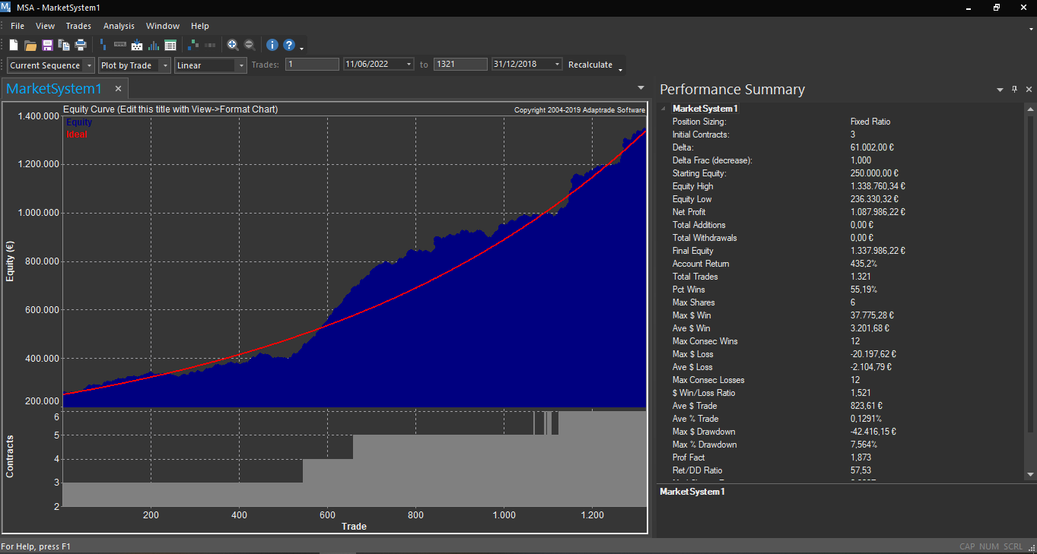
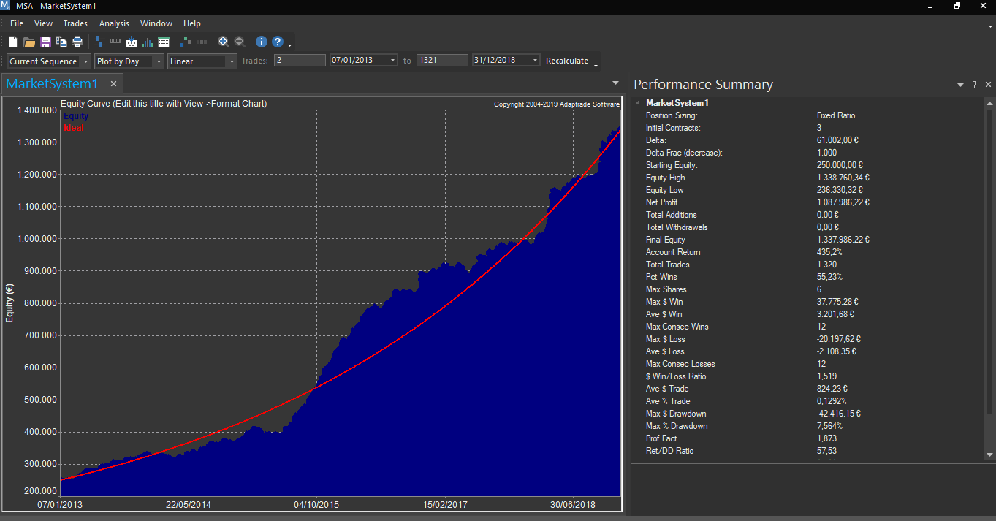

MARKET SYSTEM: UPM2022

ACCOUNT SETTINGS
Starting Equity: 250.000,00 ¬
Trading Vehicle: Futures
Initial Margin: 51.150,00 ¬
Commissions and fees per contract per round-turn: 0,00 ¬
Slippage per contract per round-turn: 0,00 ¬
...

ANALISIS DE MONTECARLO
ANALISIS DE MONTECARLO

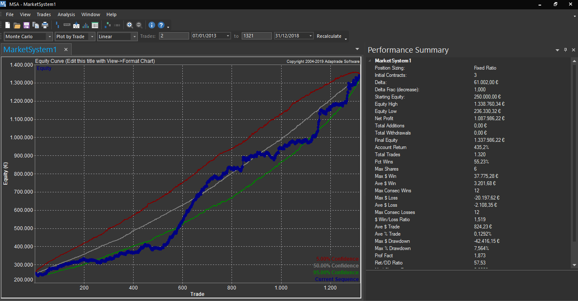
ANALISIS DE MONTECARLO

Hemos utilizado la serie de el OS y le hemos introducido el delta
(delta = 61002) más agresivo de los obtenidos en la tabla para obtener el análisis de Montecarlo.

MARKET SYSTEM: MARKETSYSTEM1

TRADING PARAMETERS
Initial Account Equity: 250.000,00 ¬
Trading Vehicle: Futures
Initial Margin: 51.150,00 ¬
Commissions and fees per contract per round-turn: 0,00 ¬
Slippage per contract per round-turn: 0,00 ¬

Position Sizing Method: Fixed Ratio
...

